Account Management
Back to test cases
Feature | <Account Management>
Test requirement | Account Management
Number of TCs | 5
Testing Round | Passed | Failed | Pending | N/A
Round 1 | 5 | 0 |  | 0
Round 2 | 5 | 0 |  | 0

Test Case ID | Test Case Description | Test Case Procedure | Expected Results | Pre-conditions | Round 1 | Test date | Tester | Round 2 | Test date | Tester | Note
SM_1 | Check default UI of Account Management | 1. Navigate to Account Management screen 2. Check default UI of Account Management screen | 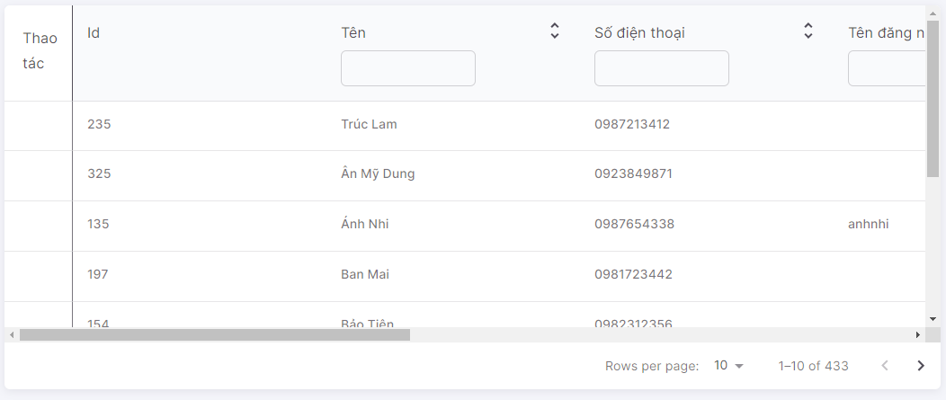 1. Default UI of Account Management screen is displayed as below: |  | Passed | 10/01 | LongTN | Passed | 25/01 | LongTN
SM_2 | Check font size, color of text on the screen | 1. Check font size, color of text on the screen | 1. Font size, color of text is displayed as prototy |  | Passed | 10/01 | LongTN | Passed | 25/01 | LongTN
DM_3 | Check behavior of system when pressing "Tab" | 1. Focus mouse on the first text box 2. Press "Tab" on keyboard | 1. The point is moved from left to right, from up to down on each item |  | Passed | 10/01 | LongTN | Passed | 25/01 | LongTN
Grid
SM_4 | Check UI button [Thêm Người dùng] | 1. Navigate to Account Management screen 2. Check button 'Thêm Người dùng' | 1. Show enable |  | Passed | 10/01 | LongTN | Passed | 25/01 | LongTN
SM_5 | Check click icon [Thêm Người dùng] | 1. Navigate to Account Management screen 2. Check button 'Thêm Người dùng' | 1. Show popup Create Account |  | Passed | 10/01 | LongTN | Passed | 25/01 | LongTN

Answer Sca Form
Back to test cases
Feature | <Answer Sca Form Management>
Test requirement | Create Answer Sca Form
Number of TCs | 16
Testing Round | Passed | Failed | Pending | N/A
Round 1 | 16 | 0 |  | 0
Round 2 | 16 | 0 |  | 0

Test Case ID | Test Case Description | Test Case Procedure | Expected Results | Pre-conditions | Round 1 | Test date | Tester | Round 2 | Test date | Tester | Note
Create Answer Sca Form
Create Answer Sca Form_1 | Check default UI of Create Answer Sca Form | 1. Navigate to Answer Sca Form screen 2. Check default UI of Create Answer Sca Form screen |  2. Default UI of Answer Sca Form screen is displayed as below: |  | Passed | 10/01 | LongTN | Passed | 25/01 | LongTN
Create Answer Sca Form_2 | Check font size, color of text on the screen | 1. Check font size, color of text on the screen | 1. Font size, color of text is displayed as prototy |  | Passed | 10/01 | LongTN | Passed | 25/01 | LongTN
Validation
Create Answer Sca Form_3 | Check display default question-answer in Form | 1. Navigate to Answer Sca Form screen 2. Check display question-answer | 1. Display default question-answer |  | Passed | 10/01 | LongTN | Passed | 25/01 | LongTN
Create Answer Sca Form_4 | Check validation on mandatory questions | 1. Navigate to Answer Sca Form screen 2. Set questions field blank 3. Input valid data into all other fields | 1. Show error message:"Câu hỏi này không được để trống" |  | Passed | 10/01 | LongTN | Passed | 25/01 | LongTN
Create Answer Sca Form_5 | Check input question has textbox by paste data | 1. Navigate to Answer Sca Form screen 2. Paste data to questions 3. Input valid data into all other fields | 1. Data inputted succesfully |  | Passed | 10/01 | LongTN | Passed | 25/01 | LongTN
Create Answer Sca Form_6 | Check answer question | 1. Navigate to Answer Sca Form screen 2. Answer question is required 3. Input valid data into all other fields 4. Click button 'Gửi câu trả lời' | 1. Answer Sca Form successfully |  | Passed | 10/01 | LongTN | Passed | 25/01 | LongTN
Create Answer Sca Form_7 | Check display default 'Gửi ảnh để đánh giá tình trạng' field | 1. Navigate to Answer Sca Form screen 2. Check display 'Mô tả' field | 1. Display default file |  | Passed | 10/01 | LongTN | Passed | 25/01 | LongTN
Create Answer Sca Form_8 | Check field 'Gửi ảnh để đánh giá tình trạng' | 1. Navigate to Answer Sca Form screen 2. Choose file image 3. Input valid data into all other fields 4. Click button 'Gửi câu trả lời' | 1. Answer Sca Form successfully |  | Passed | 10/01 | LongTN | Passed | 25/01 | LongTN
Create Answer Sca Form_9 | Check field 'Gửi ảnh để đánh giá tình trạng' is invalid | 1. Navigate to Answer Sca Form screen 2. Choose file image invalid 3. Input valid data into all other fields 4. Click button 'Gửi câu trả lời' | 1. Answer Sca Form unsuccessfully 2. Show message :"chỉ được gửi file ảnh" |  | Passed | 10/01 | LongTN | Passed | 25/01 | LongTN
Create Answer Sca Form_10 | Check field 'Gửi ảnh để đánh giá tình trạng' | 1. Navigate to Answer Sca Form screen 2. Choose file image 3. Input valid data into all other fields 4. Click button 'Gửi câu trả lời' | 1. Answer Sca Form successfully |  | Passed | 10/01 | LongTN | Passed | 25/01 | LongTN
Create Answer Sca Form_11 | Check field 'Gửi ảnh để đánh giá tình trạng' | 1. Navigate to Answer Sca Form screen 2. Choose file image 3. Input valid data into all other fields 4. Click button 'Gửi câu trả lời' | 1. Answer Sca Form successfully |  | Passed | 10/01 | LongTN | Passed | 25/01 | LongTN
Create Answer Sca Form_12 | Check validate field 'Gửi ảnh để đánh giá tình trạng' | 1. Navigate to Answer Sca Form screen 2. Choose file image invalid 3. Input valid data into all other fields 4. Click button 'Gửi câu trả lời' | 1. Not display button "Thêm ảnh" |  | Passed | 10/01 | LongTN | Passed | 25/01 | LongTN
Create Answer Sca Form_13 | Check click button 'Gửi câu trả lời' | 1. Navigate to Answer Sca Form screen 2. Input valid data into all fields 3. Click button 'Gửi câu trả lời' | 1. Checkout Sca Form successfully, save info new Sca Form |  | Passed | 10/01 | LongTN | Passed | 25/01 | LongTN
Create Answer Sca Form_14 | Check click button 'Đóng' | 1. Navigate to Answer Sca Form screen 2. Input valid data into all fields 3. Click button 'Đóng' | 1. Show Sca Form Management screen |  | Passed | 10/01 | LongTN | Passed | 25/01 | LongTN
Function
Create Answer Sca Form_14 | Check when click 'Gửi câu trả lời' successfully | 1. Navigate to Create Answer Sca Form screen 2. Input valid data into all fields 3. Click button 'Gửi câu trả lời' | 1. Show message "Đã gửi thành công Cảm ơn đã điền khảo sát" |  | Passed | 10/01 | LongTN | Passed | 25/01 | LongTN
Create Answer Sca Form_15 | Check when click 'Gửi câu trả lời' unsuccessfully | 1. Navigate to Create Answer Sca Form screen 2. Input invalid data into all fields 3. Click button 'Gửi câu trả lời' | 1. Show error message |  | Passed | 10/01 | LongTN | Passed | 25/01 | LongTN | Don't show error message when input invalid fileds

Answer Sca Form Management
Back to test cases
Feature | <Answer Sca Form Management>
Test requirement | Answer Sca Form Management
Number of TCs | 3
Testing Round | Passed | Failed | Pending | N/A
Round 1 | 3 | 0 |  | 0
Round 2 | 3 | 0 |  | 0

Test Case ID | Test Case Description | Test Case Procedure | Expected Results | Pre-conditions | Round 1 | Test date | Tester | Round 2 | Test date | Tester | Note
SM_1 | Check default UI of Answer Sca Form Management | 1. Navigate to Answer Sca Form Management screen 2. Check default UI of Answer Sca Form Management screen | 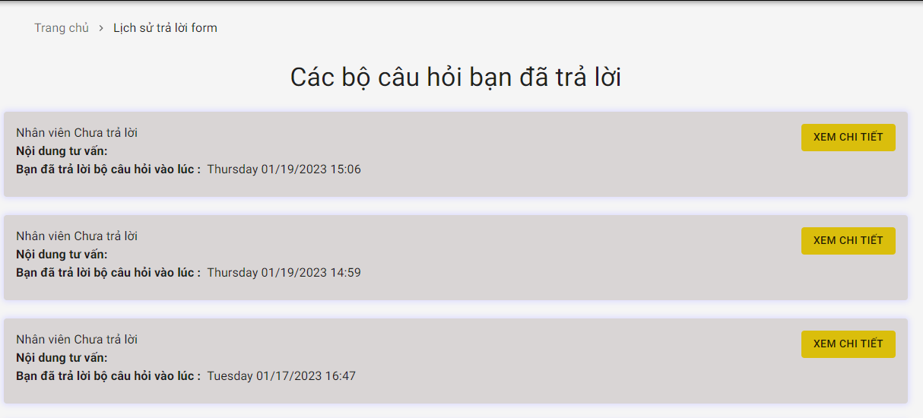 1. Default UI of Answer Sca Form Management screen is displayed as below: |  | Passed | 10/01 | LongTN | Passed | 25/01 | LongTN
Grid
SM_2 | Check UI button [Xem chi tiết] | 1. Navigate to Answer Sca Form Management screen 2. Check button 'Xem chi tiết' | 1. Show enable |  | Passed | 10/01 | LongTN | Passed | 25/01 | LongTN
SM_3 | Check click button [Xem chi tiết] | 1. Navigate to Answer Sca Form Management screen 2. Click button 'Xem chi tiết' | 1. Show drawer Answer Sca Form Detail |  | Passed | 10/01 | LongTN | Passed | 25/01 | LongTN

Appointment Management
Back to test cases
Feature | <Appointment Management>
Test requirement | Appointment Management
Number of TCs | 45
Testing Round | Passed | Failed | Pending | N/A
Round 1 | 45 | 0 |  | 0
Round 2 | 45 | 0 |  | 0

Test Case ID | Test Case Description | Test Case Procedure | Expected Results | Pre-conditions | Round 1 | Test date | Tester | Round 2 | Test date | Tester | Note
AM_1 | Check default UI of Appointment Management | 1. Navigate to Appointment Management screen 2. Check default UI of Appointment Management screen | 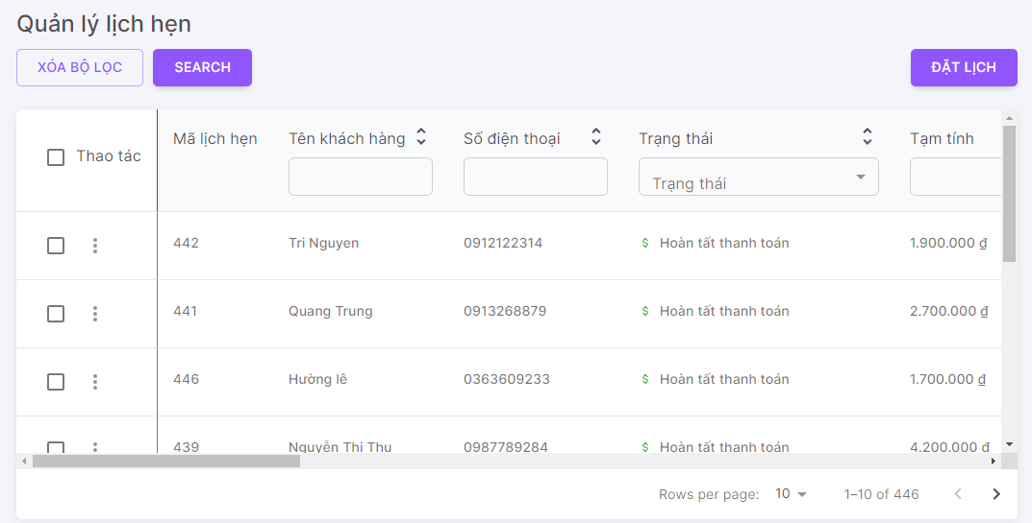 1. Default UI of Appointment Management screen is displayed as below: |  | Passed | 10/01 | LongTN | Passed | 25/01 | LongTN
AM_2 | Check font size, color of text on the screen | 1. Check font size, color of text on the screen | 1. Font size, color of text is displayed as prototy |  | Passed | 10/01 | LongTN | Passed | 25/01 | LongTN
AM_3 | Check behavior of system when pressing "Tab" | 1. Focus mouse on the first text box 2. Press "Tab" on keyboard | 1. The point is moved from left to right, from up to down on each item |  | Passed | 10/01 | LongTN | Passed | 25/01 | LongTN
Check search terms area
AM_4 | Check mandatory fileds for textbox 'Tên khách hàng', 'Trạng thái', 'Số Điện thoại', 'Tạm tính', 'Thành tiền', 'Thời gian bắt đầu dự kiến','Thời gian kết thúc dự kiến','Thời gian bắt đầu thực tế','Thời gian kết thúc thực tế','Lý do huỷ','Ghi chú','Ngày tạo','Người tạo','Ngày cập nhật','Người cập nhật' fields | 1. Navigate to Appointment Management screen 2. Set fields blank | 2. Show list all Appointment created |  | Passed | 10/01 | LongTN | Passed | 25/01 | LongTN
AM_5 | Check default textbox fields | 1. Navigate to Appointment Management screen 2. Check default | 2. Show textbox blank |  | Passed | 10/01 | LongTN | Passed | 25/01 | LongTN
AM_6 | Check input lowercase characters on textbox | 1. Navigate to Appointment Management screen 2. Input lowercase character | 2. Display matching records |  | Passed | 10/01 | LongTN | Passed | 25/01 | LongTN
AM_7 | Check inputting special characters on textbox | 1. Input special characters @ # $ % ^ * ~ /\\,| 2. Input valid data into all other fields | 2. Display empty list |  | Passed | 10/01 | LongTN | Passed | 25/01 | LongTN
AM_8 | Check input uppercase character on textbox | 1. Navigate to Appointment Management screen 2. Input uppercase character | 2. Display matching records |  | Passed | 10/01 | LongTN | Passed | 25/01 | LongTN
AM_9 | Check input leading and trailing white space on textbox | 1. Navigate to Appointment Management screen 2. Input leading and trailing white space | 2. Display matching records |  | Passed | 10/01 | LongTN | Passed | 25/01 | LongTN
AM_10 | Check mandatory fileds for dropdown list 'Trạng thái' fields | 1. Navigate to Appointment Management screen 2. Set fields blank | 2. Show list all Appointment created |  | Passed | 10/01 | LongTN | Passed | 25/01 | LongTN
AM_11 | Check default dropdown list fields | 1. Navigate to Appointment Management screen 2. Check default | Datatype: "Dropdown list" 2. Show "Tất cả" |  | Passed | 10/01 | LongTN | Passed | 25/01 | LongTN
AM_12 | Check options values in dropdown list | 1. Navigate to Appointment Management screen 2. Click on dropdown list 3. Check options values in dropdown list | 2. Show options values same with fields |  | Passed | 10/01 | LongTN | Passed | 25/01 | LongTN
AM_13 | Check inputting values on dropdown list | 1. Navigate to Appointment Management screen 2. Input on dropdown list | 2. Show options matching with values input |  | Passed | 10/01 | LongTN | Passed | 25/01 | LongTN
AM_14 | Check when selected 1 option | 1. Navigate to Appointment Management screen 2. Selected 1 option | 2. Display matching records |  | Passed | 10/01 | LongTN | Passed | 25/01 | LongTN
AM_15 | Check when selected many option | 1. Navigate to Appointment Management screen 2. Selected many option | 2. Display option final selected |  | Passed | 10/01 | LongTN | Passed | 25/01 | LongTN
AM_16 | Check mandatory fileds for dropdown list 'Lý do huỷ' fields | 1. Navigate to Appointment Management screen 2. Set fields blank | 2. Show list all Appointment created |  | Passed | 10/01 | LongTN | Passed | 25/01 | LongTN
AM_17 | Check default dropdown list fields | 1. Navigate to Appointment Management screen 2. Check default | Datatype: "Dropdown list" 2. Show "Tất cả" |  | Passed | 10/01 | LongTN | Passed | 25/01 | LongTN
AM_18 | Check options values in dropdown list | 1. Navigate to Appointment Management screen 2. Click on dropdown list 3. Check options values in dropdown list | 2. Show options values same with fields |  | Passed | 10/01 | LongTN | Passed | 25/01 | LongTN
AM_19 | Check inputting values on dropdown list | 1. Navigate to Appointment Management screen 2. Input on dropdown list | 2. Show options matching with values input |  | Passed | 10/01 | LongTN | Passed | 25/01 | LongTN
AM_20 | Check when selected 1 option | 1. Navigate to Appointment Management screen 2. Selected 1 option | 2. Display matching records |  | Passed | 10/01 | LongTN | Passed | 25/01 | LongTN
AM_21 | Check when selected many option | 1. Navigate to Appointment Management screen 2. Selected many option | 2. Display option final selected |  | Passed | 10/01 | LongTN | Passed | 25/01 | LongTN
AM_22 | Check mandatory fileds for dialog datetime 'Thời gian bắt đầu dự kiến','Thời gian kết thúc dự kiến','Thời gian bắt đầu thực tế','Thời gian kết thúc thực tế','Ngày tạo,Ngày cập nhật' fields | 1. Navigate to Appointment Management screen 2. Set fields blank | 2. Show list all Appointment created with Estimated start time is decreasing |  | Passed | 10/01 | LongTN | Passed | 25/01 | LongTN
AM_23 | Check default for dialog datetime | 1. Navigate to Appointment Management screen 2. check default | 2. Show list all Appointment created with Estimated start time is decreasing |  | Passed | 10/01 | LongTN | Passed | 25/01 | LongTN
AM_24 | Check pick datetime | 1. Navigate to Appointment Management screen 2. check 1 pick datetime | 2. Display matching records |  | Passed | 10/01 | LongTN | Passed | 25/01 | LongTN
AM_25 | Check click button 'Xoá bộ lọc' | 1. Navigate to Appointment Management screen 2. Click button 'Xoá bộ lọc' | 2. Clear all input search textbox |  | Passed | 10/01 | LongTN | Passed | 25/01 | LongTN
AM_26 | Check click button 'Search' | 1. Navigate to Appointment Management screen 2. Click button 'Search' with input textbox | 2. Display matching records |  | Passed | 10/01 | LongTN | Passed | 25/01 | LongTN
Grid
AM_27 | Check UI button [Đặt lịch] | 1. Navigate to Appointment Management screen 2. Check button 'Đặt lịch' | 1. Show enable |  | Passed | 10/01 | LongTN | Passed | 25/01 | LongTN
AM_28 | Check click button [Đặt lịch] | 1. Navigate to Appointment Management screen 2. Check button 'Đặt lịch' | 1. Show popup Create Appointment |  | Passed | 10/01 | LongTN | Passed | 25/01 | LongTN
AM_29 | Check UI icon [Xem chi tiết] | 1. Navigate to Appointment Management screen 2. Check icon 'eye' | 1. Show enable |  | Passed | 10/01 | LongTN | Passed | 25/01 | LongTN
AM_30 | Check click icon [Xem chi tiết] | 1. Navigate to Appointment Management screen 2. Click icon 'eye' | 1. Show drawer Appointment Detail |  | Passed | 10/01 | LongTN | Passed | 25/01 | LongTN
AM_31 | Check UI icon [Chỉnh sửa] | 1. Navigate to Appointment Management screen 2. Check icon edit | 1. Show enable |  | Passed | 10/01 | LongTN | Passed | 25/01 | LongTN
AM_32 | Check click icon [Chỉnh Sửa] | 1. Navigate to Appointment Management screen 2. Click icon edit | 1. Show drawer Update Appointment |  | Passed | 10/01 | LongTN | Passed | 25/01 | LongTN
AM_33 | Check UI icon [Xác nhận] | 1. Navigate to Appointment Management screen 2. Check icon confirm | 1. Show enable |  | Passed | 10/01 | LongTN | Passed | 25/01 | LongTN
AM_34 | Check click icon [Xác nhận] | 1. Navigate to Appointment Management screen 2. Click icon confirm | 1. Show drawer Confirm Appointment |  | Passed | 10/01 | LongTN | Passed | 25/01 | LongTN
AM_35 | Check UI icon [Checkin] | 1. Navigate to Appointment Management screen 2. Check icon Checkin | 1. Show enable |  | Passed | 10/01 | LongTN | Passed | 25/01 | LongTN
AM_36 | Check click icon [Checkin] | 1. Navigate to Appointment Management screen 2. Click icon Checkin | 1. Show drawer Checkin Appointment |  | Passed | 10/01 | LongTN | Passed | 25/01 | LongTN
AM_37 | Check UI icon [Checkout] | 1. Navigate to Appointment Management screen 2. Check icon Checkout | 1. Show enable |  | Passed | 10/01 | LongTN | Passed | 25/01 | LongTN
AM_38 | Check click icon [Checkout] | 1. Navigate to Appointment Management screen 2. Click icon Checkout | 1. Show drawer Checkout Appointment |  | Passed | 10/01 | LongTN | Passed | 25/01 | LongTN
AM_39 | Check UI icon [Huỷ] | 1. Navigate to Appointment Management screen 2. Check icon Cancel | 1. Show enable |  | Passed | 10/01 | LongTN | Passed | 25/01 | LongTN
AM_40 | Check click icon [Huỷ] | 1. Navigate to Appointment Management screen 2. Click icon Cancel | 1. Show drawer Cancel Appointment |  | Passed | 10/01 | LongTN | Passed | 25/01 | LongTN
Test Searching + function
AM_41 | Check searching successfully | 1. Navigate to Appointment Management screen 2. Input all criterias that are matching in DB | 1. Display matching records |  | Passed | 10/01 | LongTN | Passed | 25/01 | LongTN
AM_42 | Check searching unsuccessfully | 1. Navigate to Appointment Management screen 2. Input all criterias that are NOT matching in DB | 1. Display empty list |  | Passed | 10/01 | LongTN | Passed | 25/01 | LongTN
AM_43 | Set search field blank | 1. Navigate to Appointment Management screen 2. Set fields blank | 1. Show all records |  | Passed | 10/01 | LongTN | Passed | 25/01 | LongTN
AM_44 | Search with 1 criteria | 1. Navigate to Appointment Management screen 2. Input text into search field 1 that matches some records in DB 3. Set other Search fields blank | 1. Display matching records |  | Passed | 10/01 | LongTN | Passed | 25/01 | LongTN
AM_45 | Search with 2 criteria (field 1 + field2) | 1. Navigate to Appointment Management screen 2. Input data into search field 1 & search fields 2 so that those data match at least 1 record in DB 3. Set other Search fields blank | 1. Display matching records |  | Passed | 10/01 | LongTN | Passed | 25/01 | LongTN

Booking
Back to test cases
Feature | <Appointment Management>
Test requirement | Booking
Number of TCs | 44
Testing Round | Passed | Failed | Pending | N/A
Round 1 | 44 | 0 |  | 0
Round 2 | 44 | 0 |  | 0

Test Case ID | Test Case Description | Test Case Procedure | Expected Results | Pre-conditions | Round 1 | Test date | Tester | Round 2 | Test date | Tester | Note
Booking
Booking_1 | Check default UI of Booking | 1. Navigate to Booking dialog 2. Check default UI of Booking dialog | 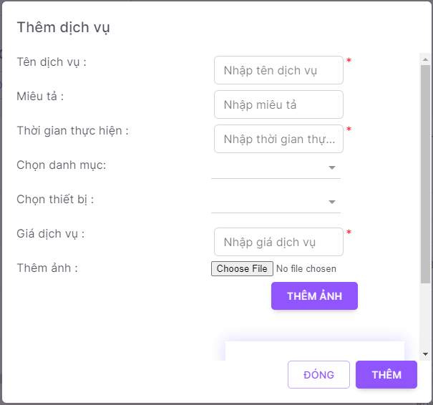 2. Default UI of Booking dialog is displayed as below: |  | Passed | 10/01 | LongTN | Passed | 25/01 | LongTN
Booking_2 | Check font size, color of text on the dialog | 1. Check font size, color of text on the dialog | 1. Font size, color of text is displayed as prototy |  | Passed | 10/01 | LongTN | Passed | 25/01 | LongTN
Booking_3 | Check behavior of system when pressing "ESC" | 1. Navigate to Booking dialog 2. Press "ESC" on keyboard | 1. Close Booking dialog |  | Passed | 10/01 | LongTN | Passed | 25/01 | LongTN
Validation
Booking_4 | Check display default 'Tên Khách hàng' field | 1. Navigate to Booking dialog 2. Check display 'Tên Khách hàng' field | 1. Textbox are display data blank |  | Passed | 10/01 | LongTN | Passed | 25/01 | LongTN
Booking_5 | Check validation on mandatory 'Tên Khách hàng' field | 1. Navigate to Booking dialog 2. Set 'Tên Khách hàng' field blank 3. Input valid data into all other fields | 1. Show error message:"Tên khách hàng không hợp lệ" 2. Cursor focus on the required field and the field is highlighted |  | Passed | 10/01 | LongTN | Passed | 25/01 | LongTN
Booking_6 | Check input 'Tên Khách hàng' by paste data | 1. Navigate to Booking dialog 2. Paste data to 'Tên Khách hàng' field 3. Input valid data into all other fields | 1. Data inputted succesfully |  | Passed | 10/01 | LongTN | Passed | 25/01 | LongTN
Booking_7 | Check behavior of system when inputting space between characters 'Tên Khách hàng' field | 1. Navigate to Booking dialog 2. Input space between characters 'Tên Khách hàng' field 3. Input valid data into all other fields 4. Click button 'Đặt lịch' | 1. Booking successfully |  | Passed | 10/01 | LongTN | Passed | 25/01 | LongTN
Booking_8 | Check duplicate Tên Khách hàng | 1. Navigate to Booking dialog 2. Input 'Tên Khách hàng' that already exists in the system 3. Input valid data into all other fields 4. Click button 'Đặt lịch' | 1. Booking unsuccessfully |  | Passed | 10/01 | LongTN | Passed | 25/01 | LongTN
Booking_9 | Check field Tên Khách hàng is too long | 1. Navigate to Booking dialog 2. Input 'Tên Khách hàng' is too long 3. Input valid data into all other fields 4. Click button 'Đặt lịch' | 1. Show error message:"Tên khách hàng không hợp lệ" 2. Cursor focus on the required field and the field is highlighted |  | Passed | 10/01 | LongTN | Passed | 25/01 | LongTN
Booking_10 | Check inputting special characters | 1. Navigate to Booking dialog 2. Input special characters @ # $ % ^ * ~ /\\,| 3. Input valid data into all other fields 4. Click button 'Đặt lịch' |  |  | Passed | 10/01 | LongTN | Passed | 25/01 | LongTN
Booking_11 | Check display default 'Số điện thoại' field | 1. Navigate to Booking dialog 2. Check display 'Số điện thoại' field | 2. Textbox are display data blank |  | Passed | 10/01 | LongTN | Passed | 25/01 | LongTN
Booking_12 | Check validation on mandatory 'Số điện thoại' field | 1. Navigate to Booking dialog 2. Set 'Số điện thoại' field blank 3. Input valid data into all other fields 4. Click button 'Đăng ký' | 2. Show error message:"Số điện thoại không hợp lệ" 3. Cursor focus on the required field and the field is highlighted |  | Passed | 10/01 | LongTN | Passed | 25/01 | LongTN
Booking_13 | Check input 'Số điện thoại' by paste data | 1. Navigate to Booking dialog 2. Paste data to 'Số điện thoại' field 3. Input valid data into all other fields | 2. Data inputted succesfully |  | Passed | 10/01 | LongTN | Passed | 25/01 | LongTN
Booking_14 | Check behavior of system when inputting space before and after 'Số điện thoại' | 1. Navigate to Booking dialog 2. Input space before and after 'Số điện thoại' 3. Input valid data into all other fields 4. Click button 'Đăng ký' | 2. Show error message:"Số điện thoại không hợp lệ" 3. Cursor focus on the required field and the field is highlighted |  | Passed | 10/01 | LongTN | Passed | 25/01 | LongTN
Booking_15 | Check behavior of system when inputting space between characters 'Số điện thoại' field | 1. Navigate to Booking dialog 2. Input space between characters 'Số điện thoại' field 3. Input valid data into all other fields 4. Click button 'Đăng ký' | 2. Show error message:"Số điện thoại không hợp lệ" 3. Cursor focus on the required field and the field is highlighted |  | Passed | 10/01 | LongTN | Passed | 25/01 | LongTN
Booking_16 | Check input letters, special characters | 1. Navigate to Booking dialog 2. Input letters, special characters @ # $ % ^ * ~ /\\,| 'Yêu cầu' field 3. Input valid data into all other fields 4. Click button 'Đăng ký' | 2. Show error message:"Số điện thoại không hợp lệ" 3. Cursor focus on the required field and the field is highlighted |  | Passed | 10/01 | LongTN | Passed | 25/01 | LongTN
Booking_17 | Check input a string that >10 'Số điện thoại' field | 1. Navigate to Booking dialog 2. Input string >10 3. Input valid data into all other fields 4. Click button 'Đăng ký' | 2. Show error message:"Số điện thoại không hợp lệ" 3. Cursor focus on the required field and the field is highlighted |  | Passed | 10/01 | LongTN | Passed | 25/01 | LongTN
Booking_18 | Check input a string that < 10 'Số điện thoại' field | 1. Navigate to Booking dialog 2. Input string < 10 3. Input valid data into all other fields 4. Click button 'Đăng ký' |  |  | Passed | 10/01 | LongTN | Passed | 25/01 | LongTN
Booking_19 | Check input a string that = 10 'Số điện thoại' field | 1. Navigate to Booking dialog 2. Input string = 10 3. Input valid data into all other fields 4. Click button 'Đăng ký' | 2. Data inputted succesfully 4. Booking successfully |  | Passed | 10/01 | LongTN | Passed | 25/01 | LongTN
Booking_20 | Check prefix +84 'Số điện thoại' field | 1. Navigate to Booking dialog 2. Input phone number with prefix +84 3. Input valid data into all other fields 4. Click button 'Đăng ký' | 2. Data inputted succesfully 4. Booking successfully |  | Passed | 10/01 | LongTN | Passed | 25/01 | LongTN
Booking_21 | Check display default 'Email' field | 1. Navigate to Booking dialog 2. Check display 'Email' field | 2. Textbox are display data blank |  | Passed | 10/01 | LongTN | Passed | 25/01 | LongTN
Booking_22 | Check validation on mandatory 'Email' field | 1. Navigate to Booking dialog 2. Set 'Email' field blank 3. Input valid data into all other fields 4. Click button 'Đăng ký' | 2. Data inputted succesfully 4. Booking successfully |  | Passed | 10/01 | LongTN | Passed | 25/01 | LongTN
Booking_23 | Check input 'Email' by paste data | 1. Navigate to Booking dialog 2. Paste data to 'Email' field 3. Input valid data into all other fields | 2. Data inputted succesfully |  | Passed | 10/01 | LongTN | Passed | 25/01 | LongTN
Booking_24 | Check behavior of system when inputting space before and after 'Email' | 1. Navigate to Booking dialog 2. Input space before and after 'Email' 3. Input valid data into all other fields 4. Click button 'Đăng ký' | 4. - Space before/after 'Email' are auto trim - Booking successfully |  | Passed | 10/01 | LongTN | Passed | 25/01 | LongTN
Booking_25 | Check behavior of system when inputting space between characters 'Email' field | 1. Navigate to Booking dialog 2. Input space between characters 'Email' field 3. Input valid data into all other fields 4. Click button 'Đăng ký' | 4. Show error message: "Email không hợp lệ" Cursor focus on the required field and the field is highlighted |  | Passed | 10/01 | LongTN | Passed | 25/01 | LongTN
Booking_26 | Check input 'Email' is too long | 1. Navigate to Booking dialog 2. Input an email is too long 3. Input valid data into all other fields 4. Click button 'Đăng ký' | 4. Show error message: "Email không hợp lệ" Cursor focus on the required field and the field is highlighted |  | Passed | 10/01 | LongTN | Passed | 25/01 | LongTN
Booking_27 | Check input 'Email' that has special characters (except @) | 1. Navigate to Booking dialog 2. Input an email that has special chracters (except @) 3. Input valid data into all other fields 4. Click button 'Đăng ký' |  |  | Passed | 10/01 | LongTN | Passed | 25/01 | LongTN
Booking_28 | Check input 'Email' without @ | 1. Navigate to Booking dialog 2. Input an email without @ 3. Input valid data into all other fields 4. Click button 'Đăng ký' |  |  | Passed | 10/01 | LongTN | Passed | 25/01 | LongTN
Booking_29 | Check input 'Email' without domain | 1. Navigate to Booking dialog 2. Input an email without domain 3. Input valid data into all other fields 4. Click button 'Đăng ký' |  |  | Passed | 10/01 | LongTN | Passed | 25/01 | LongTN
Booking_30 | Check input 'Email' without domain extension | 1. Navigate to Booking dialog 2. Input an email without domain extension 3. Input valid data into all other fields 4. Click button 'Đăng ký' |  |  | Passed | 10/01 | LongTN | Passed | 25/01 | LongTN
Booking_31 | Check valid 'Email' | 1. Navigate to Booking dialog 2. Input valid email (vd: LongTNhe141697@fpt.edu.vn) 3. Input valid data into all other fields 4. Click button 'Đăng ký' | 2. Data inputted succesfully 4. Booking successfully |  | Passed | 10/01 | LongTN | Passed | 25/01 | LongTN
Booking_32 | Check display default 'Chi nhánh' field | 1. Navigate to Booking dialog 2. Check display 'Chi nhánh' field | 1. Textbox are display data as created of user |  | Passed | 10/01 | LongTN | Passed | 25/01 | LongTN
Booking_33 | Check display default dropdown service | 1. Navigate to Booking dialog 2. Check dropdown service | 1. Dropdown are display data blank |  | Passed | 10/01 | LongTN | Passed | 25/01 | LongTN
Booking_34 | Check validate madatory dropdown service | 1. Navigate to Booking dialog 2. Check dropdown service blank | 1. Show error message: "Vui lòng chọn ít nhất 1 dịch vụ" Cursor focus on the required field and the field is highlighted |  | Passed | 10/01 | LongTN | Passed | 25/01 | LongTN
Booking_35 | Check validate dropdown service too much | 1. Navigate to Booking dialog 2. Check dropdown service too much | 1. Disable select service |  | Passed | 10/01 | LongTN | Passed | 25/01 | LongTN
Booking_36 | Check dropdown service | 1. Navigate to Booking dialog 2. Click dropdown service, Click on one service | 1. Show available time |  | Passed | 10/01 | LongTN | Passed | 25/01 | LongTN
Booking_37 | Check delete selected service | 1. Navigate to Booking dialog 2. Click on dropdown service, choose one service 3. Click icon delete | 1. Not display this service |  | Passed | 10/01 | LongTN | Passed | 25/01 | LongTN
Booking_38 | Check display default dropdown available time | 1. Navigate to Booking dialog 2. Check dropdown available time | 1. Dropdown are display data blank |  | Passed | 10/01 | LongTN | Passed | 25/01 | LongTN
Booking_39 | Check madatory dropdown available time | 1. Navigate to Booking dialog 2. Set dropdown available time blank 3. Input valid data into all other fields 4. Click button 'Đặt lịch' | 1. Show error message:"Vui lòng chọn thời gian" 2. Cursor focus on the required field and the field is highlighted |  | Passed | 10/01 | LongTN | Passed | 25/01 | LongTN
Booking_40 | Check dropdown available time | 1. Navigate to Booking dialog 2. Click dropdown available time, Click on one available time 3. Input valid data into all other fields 4. Click button 'Đặt lịch' | 1. Booking successfully |  | Passed | 10/01 | LongTN | Passed | 25/01 | LongTN
Booking_41 | Check click button 'Đặt lịch' | 1. Navigate to Booking dialog 2. Input valid data into all fields 3. Click button 'Đặt lịch' | 1. Booking successfully, save info new Service |  | Passed | 10/01 | LongTN | Passed | 25/01 | LongTN
Booking_42 | Check click button 'Đóng' | 1. Navigate to Booking dialog 2. Input valid data into all fields 3. Click button 'Đóng' | 1. Show Service Management dialog |  | Passed | 10/01 | LongTN | Passed | 25/01 | LongTN
Function
Booking_45 | Check when click 'Đặt lịch' successfully | 1. Navigate to Booking dialog 2. Input valid data into all fields 3. Click button 'Đặt lịch' | 1. Grid Service list reload and show info Service created |  | Passed | 10/01 | LongTN | Passed | 25/01 | LongTN
Booking_46 | Check when click 'Đặt lịch' unsuccessfully | 1. Navigate to Booking dialog 2. Input invalid data into all fields 3. Click button 'Đặt lịch' | 1. Show error message 2. Set focus and highlight the field |  | Passed | 10/01 | LongTN | Passed | 25/01 | LongTN | Don't show error message when input invalid fileds

Branch Management
Back to test cases
Feature | <Branch Management>
Test requirement | Branch Management
Number of TCs | 12
Testing Round | Passed | Failed | Pending | N/A
Round 1 | 12 | 0 |  | 0
Round 2 | 12 | 0 |  | 0

Test Case ID | Test Case Description | Test Case Procedure | Expected Results | Pre-conditions | Round 1 | Test date | Tester | Round 2 | Test date | Tester | Note
SM_1 | Check default UI of Branch Management | 1. Navigate to Branch Management screen 2. Check default UI of Branch Management screen | 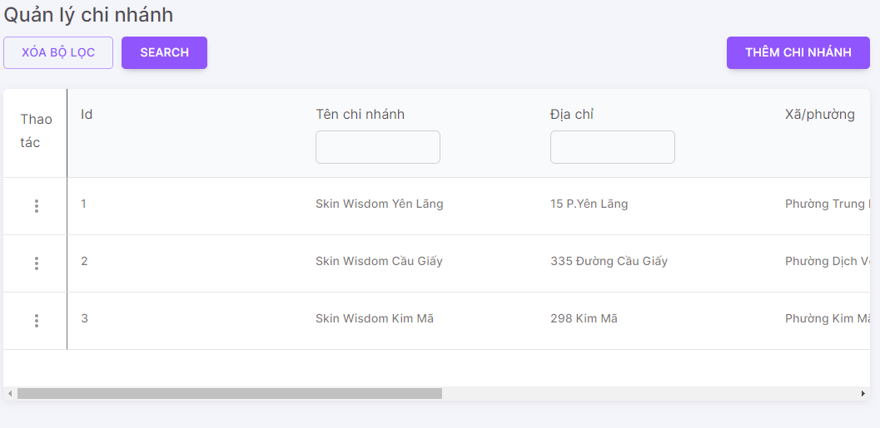 1. Default UI of Branch Management screen is displayed as below: |  | Passed | 11/01 | LongTN | Passed | 25/01 | LongTN
SM_2 | Check font size, color of text on the screen | 1. Check font size, color of text on the screen | 1. Font size, color of text is displayed as prototy |  | Passed | 11/01 | LongTN | Passed | 25/01 | LongTN
DM_3 | Check behavior of system when pressing "Tab" | 1. Focus mouse on the first text box 2. Press "Tab" on keyboard | 1. The point is moved from left to right, from up to down on each item |  | Passed | 11/01 | LongTN | Passed | 25/01 | LongTN
Grid
SM_4 | Check UI icon deactive/active | 1. Navigate to Branch Management screen 2. Click icon Thao tác 3. Check default icon | 1. Show check OFF/ON |  | Passed | 11/01 | LongTN | Passed | 25/01 | LongTN
SM_5 | Check UI icon [Xem chi tiết] | 1. Navigate to Branch Management screen 2. Check icon 'eye' | 1. Show enable |  | Passed | 11/01 | LongTN | Passed | 25/01 | LongTN
SM_6 | Check click icon [Xem chi tiết] | 1. Navigate to Branch Management screen 2. Click icon 'eye' | 1. Show drawer Branch Detail |  | Passed | 11/01 | LongTN | Passed | 25/01 | LongTN
SM_7 | Check UI icon [Chỉnh sửa] | 1. Navigate to Branch Management screen 2. Check icon edit | 1. Show enable |  | Passed | 11/01 | LongTN | Passed | 25/01 | LongTN
SM_8 | Check click icon [Chỉnh Sửa] | 1. Navigate to Branch Management screen 2. Click icon edit | 1. Show screen Update Branch |  | Passed | 11/01 | LongTN | Passed | 25/01 | LongTN
SM_9 | Check UI icon [Deactive/Active] | 1. Navigate to Branch Management screen 2. Check icon delete | 1. Show enable |  | Passed | 11/01 | LongTN | Passed | 25/01 | LongTN
SM_10 | Check click icon [Deactive/Active] | 1. Navigate to Branch Management screen 2. Click icon deactive/active | 1. Show popup Deactive/Active Branch |  | Passed | 11/01 | LongTN | Passed | 25/01 | LongTN
SM_11 | Check UI button [Thêm chi nhánh] | 1. Navigate to Branch Management screen 2. Check button 'Thêm chi nhánh' | 1. Show enable |  | Passed | 11/01 | LongTN | Passed | 25/01 | LongTN
SM_12 | Check click button [Thêm chi nhánh] | 1. Navigate to Branch Management screen 2. Check button 'Thêm chi nhánh' | 1. Show popup Create Branch |  | Passed | 11/01 | LongTN | Passed | 25/01 | LongTN

Cancel Appointment
Back to test cases
Feature | <Appointment Management>
Test requirement | Cancel Appointment
Number of TCs | 24
Testing Round | Passed | Failed | Pending | N/A
Round 1 | 24 | 0 |  | 0
Round 2 | 24 | 0 |  | 0

Test Case ID | Test Case Description | Test Case Procedure | Expected Results | Pre-conditions | Round 1 | Test date | Tester | Round 2 | Test date | Tester | Note
Cancel Appointment
Cancel Appointment_1 | Check default UI of Cancel Appointment | 1. Navigate to Cancel Appointment dialog 2. Check default UI of Cancel Appointment dialog | 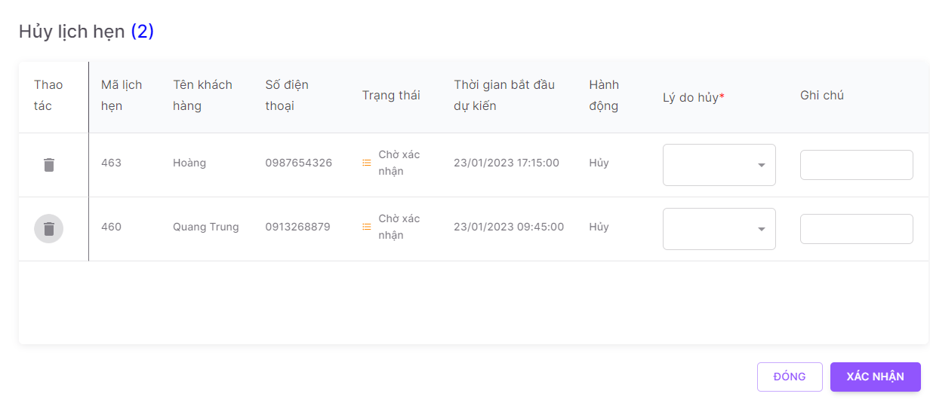 2. Default UI of Cancel Appointment dialog is displayed as below: |  | Passed | 11/01 | LongTN | Passed | 25/01 | LongTN
Cancel Appointment_2 | Check font size, color of text on the dialog | 1. Check font size, color of text on the dialog | 1. Font size, color of text is displayed as prototy |  | Passed | 11/01 | LongTN | Passed | 25/01 | LongTN
Cancel Appointment_3 | Check behavior of system when pressing "Tab" | 1. Focus mouse on the first text box 2. Press "Tab" on keyboard | 1. The point is moved from left to right, from up to down on each item |  | Passed | 11/01 | LongTN | Passed | 25/01 | LongTN
Cancel Appointment_4 | Check behavior of system when pressing "ESC" | 1. Navigate to Cancel Appointment dialog 2. Press "ESC" on keyboard | 1. Close Cancel Appointment dialog |  | Passed | 11/01 | LongTN | Passed | 25/01 | LongTN
Validation
Cancel Appointment_5 | Check display default 'Mã lịch hẹn' field | 1. Navigate to Cancel Appointment dialog 2. Check display 'Mã lịch hẹn' field | 1. Textbox are display data as created |  | Passed | 11/01 | LongTN | Passed | 25/01 | LongTN
Cancel Appointment_6 | Check display default 'Tên khách hàng' field | 1. Navigate to Cancel Appointment dialog 2. Check display 'Tên khách hàng' field | 1. Textbox are display data as created |  | Passed | 11/01 | LongTN | Passed | 25/01 | LongTN
Cancel Appointment_7 | Check display default 'Số điện thoại' field | 1. Navigate to Cancel Appointment dialog 2. Check display 'Số điện thoại' field | 1. Textbox are display data as created |  | Passed | 11/01 | LongTN | Passed | 25/01 | LongTN
Cancel Appointment_8 | Check display default 'Trạng thái' field | 1. Navigate to Cancel Appointment dialog 2. Check display 'Trạng thái' field | 1. Textbox are display data as created |  | Passed | 11/01 | LongTN | Passed | 25/01 | LongTN
Cancel Appointment_9 | Check display default 'Thời gian bắt đầu dự kiến' field | 1. Navigate to Cancel Appointment dialog 2. Check display 'Thời gian bắt đầu dự kiến' field | 1. Textbox are display data as created |  | Passed | 11/01 | LongTN | Passed | 25/01 | LongTN
Cancel Appointment_10 | Check display default 'Hành động' field | 1. Navigate to Cancel Appointment dialog 2. Check display 'Hành động field | 1. Textbox are display data as created |  | Passed | 11/01 | LongTN | Passed | 25/01 | LongTN
Cancel Appointment_11 | Check display default dropdown reason for cancel | 1. Navigate to Cancel Appointment dialog 2. Check dropdown reason for cancel | 1. Dropdown are display data blank |  | Passed | 11/01 | LongTN | Passed | 25/01 | LongTN
Cancel Appointment_12 | Check validate mandatory dropdown reason for cancel | 1. Navigate to Cancel Appointment dialog 2. Input valid data into all other fields 3. Click button 'Xác nhận' | 1. Cancel Appointment successfully |  | Passed | 11/01 | LongTN | Passed | 25/01 | LongTN
Cancel Appointment_13 | Check dropdown reason for cancel | 1. Navigate to Cancel Appointment dialog 2. Click dropdown reason for cancel, Click on one reason for cancel 3. Input valid data into all other fields 4. Click button 'Xác nhận' | 1. Show message " Vui lòng chọn một lý do hủy." 2. Cursor focus on the required field and the field is highlighted |  | Passed | 11/01 | LongTN | Passed | 25/01 | LongTN
Cancel Appointment_14 | Check display default 'Ghi chú' field | 1. Navigate to Cancel Appointment dialog 2. Check display 'Ghi chú' field | 1. Textbox are display data blank |  | Passed | 11/01 | LongTN | Passed | 25/01 | LongTN
Cancel Appointment_15 | Check input 'Ghi chú' by paste data | 1. Navigate to Cancel Appointment dialog 2. Paste data to 'Ghi chú' field 3. Input valid data into all other fields | 1. Data inputted succesfully 2. Cancel Appointment successfully |  | Passed | 11/01 | LongTN | Passed | 25/01 | LongTN
Cancel Appointment_16 | Check behavior of system when inputting space before and after 'Ghi chú' | 1. Navigate to Cancel Appointment dialog 2. Input space before and after 'Ghi chú' 3. Input valid data into all other fields 4. Click button 'Xác nhận' | 1. - Space before/after 'Ghi chú' are auto trim 2. - Cancel Appointment successfully |  | Passed | 11/01 | LongTN | Passed | 25/01 | LongTN
Cancel Appointment_17 | Check behavior of system when inputting space between characters 'Ghi chú' field | 1. Navigate to Cancel Appointment dialog 2. Input space between characters 'Ghi chú' field 3. Input valid data into all other fields 4. Click button 'Xác nhận' | 1. Cancel Appointment successfully |  | Passed | 11/01 | LongTN | Passed | 25/01 | LongTN
Cancel Appointment_18 | Check inputting special characters | 1. Navigate to Cancel Appointment dialog 2. Input special characters @ # $ % ^ * ~ /\\,| 'Ghi chú' field 3. Input valid data into all other fields 4. Click button 'Xác nhận' | 1. Data inputted succesfully 2. Cancel Appointment successfully |  | Passed | 11/01 | LongTN | Passed | 25/01 | LongTN
Cancel Appointment_19 | Check field 'Ghi chú' is too long | 1. Navigate to Cancel Appointment dialog 2. Input 'Ghi chú' is too long 3. Input valid data into all other fields 4. Click button 'Xác nhận' | 1. Cancel Appointment unsuccessfully 2. Show message "chỉ được nhập tối đa 1000 kí tự" |  | Passed | 11/01 | LongTN | Passed | 25/01 | LongTN
Cancel Appointment_20 | Check click icon delete | 1. Navigate to Cancel Appointment dialog 2. Click icon delete | 1.Remove Appointment from Cancel Appointment screen |  | Passed | 11/01 | LongTN | Passed | 25/01 | LongTN
Cancel Appointment_20 | Check click button 'Xác nhận' | 1. Navigate to Cancel Appointment dialog 2. Input valid data into all fields 3. Click button 'Xác nhận' | 1. Cancel Appointment successfully, save info new Appointment |  | Passed | 11/01 | LongTN | Passed | 25/01 | LongTN
Cancel Appointment_21 | Check click button 'Đóng' | 1. Navigate to Cancel Appointment dialog 2. Input valid data into all fields 3. Click button 'Đóng' | 1. Show Service Management screen |  | Passed | 11/01 | LongTN | Passed | 25/01 | LongTN
Function
Cancel Appointment_22 | Check when click 'Xác nhận' successfully | 1. Navigate to Cancel Appointment dialog 2. Input valid data into all fields 3. Click button 'Xác nhận' | 1. Grid Appointment list reload and show info Appointment created |  | Passed | 11/01 | LongTN | Passed | 25/01 | LongTN
Cancel Appointment_23 | Check when click 'Xác nhận' unsuccessfully | 1. Navigate to Cancel Appointment dialog 2. Input invalid data into all fields 3. Click button 'Xác nhận' | 1. Show error message 2. Set focus and highlight the field |  | Passed | 11/01 | LongTN | Passed | 25/01 | LongTN | Don't show error message when input invalid fileds

Category Management
Back to test cases
Feature | <Category Management>
Test requirement | Category Management
Number of TCs | 15
Testing Round | Passed | Failed | Pending | N/A
Round 1 | 15 | 0 |  | 0
Round 2 | 15 | 0 |  | 0

Test Case ID | Test Case Description | Test Case Procedure | Expected Results | Pre-conditions | Round 1 | Test date | Tester | Round 2 | Test date | Tester | Note
CM_1 | Check default UI of Category Management | 1. Navigate to Category Management screen 2. Check default UI of Category Management screen | 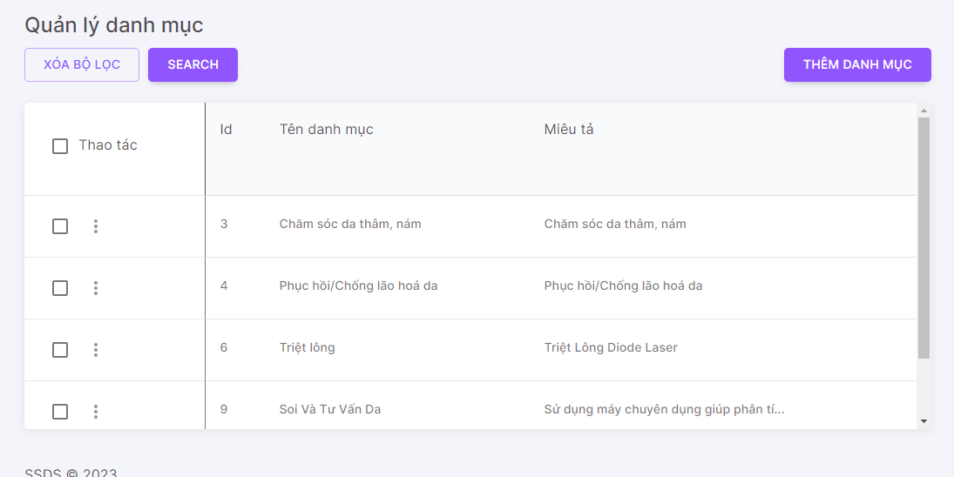 1. Default UI of Category Management screen is displayed as below: |  | Passed | 11/01 | LongTN | Passed | 25/01 | LongTN
CM_2 | Check font size, color of text on the screen | 1. Check font size, color of text on the screen | 1. Font size, color of text is displayed as prototy |  | Passed | 11/01 | LongTN | Passed | 25/01 | LongTN
Grid
CM_3 | Check UI checkbox delete | 1. Navigate to Category Management screen 2. Click button Thao tác 3. Check default checkbox | 1. Show check OFF |  | Passed | 11/01 | LongTN | Passed | 25/01 | LongTN
CM_4 | Check click on one checkbox | 1. Navigate to Category Management screen 2. Click button Thao tác 3. Check click on many checkbox | 1. Show check ON Enable button 'Xoá' |  | Passed | 11/01 | LongTN | Passed | 25/01 | LongTN
CM_5 | Check click on many checkbox | 1. Navigate to Category Management screen 2. Click on checkbox in header of column 'Thao tác' 3. Check all checkbox turn on | 1. Show all checkbox ON |  | Passed | 11/01 | LongTN | Passed | 25/01 | LongTN
CM_6 | Check UI icon [Xem chi tiết] | 1. Navigate to Category Management screen 2. Check icon 'eye' | 1. Show enable |  | Passed | 11/01 | LongTN | Passed | 25/01 | LongTN
CM_7 | Check click icon [Xem chi tiết] | 1. Navigate to Category Management screen 2. Click icon 'eye' | 1. Show drawer Category Detail |  | Passed | 11/01 | LongTN | Passed | 25/01 | LongTN
CM_8 | Check UI icon [Chỉnh sửa] | 1. Navigate to Category Management screen 2. Check icon edit | 1. Show enable |  | Passed | 11/01 | LongTN | Passed | 25/01 | LongTN
CM_9 | Check click icon [Chỉnh Sửa] | 1. Navigate to Category Management screen 2. Click icon edit | 1. Show screen Update Category |  | Passed | 11/01 | LongTN | Passed | 25/01 | LongTN
CM_10 | Check UI icon [Xoá] | 1. Navigate to Category Management screen 2. Check icon delete | 1. Show enable |  | Passed | 11/01 | LongTN | Passed | 25/01 | LongTN
CM_11 | Check click icon [Xoá] | 1. Navigate to Category Management screen 2. Click icon delete | 1. Show popup Delete Category |  | Passed | 11/01 | LongTN | Passed | 25/01 | LongTN
CM_12 | Check UI button [Thêm danh mục] | 1. Navigate to Category Management screen 2. Check button 'Thêm danh mục' | 1. Show enable |  | Passed | 11/01 | LongTN | Passed | 25/01 | LongTN
CM_13 | Check click icon [Thêm danh mục] | 1. Navigate to Category Management screen 2. Check button 'Thêm danh mục' | 1. Show popup Create Category |  | Passed | 11/01 | LongTN | Passed | 25/01 | LongTN
Test button + checkbox
CM_14 | Check delete records check ON | 1. Navigate to Category Management screen 2. Check ON records want to delete 3. Click icon 'Xoá' | 1. Records deleted |  | Passed | 11/01 | LongTN | Passed | 25/01 | LongTN
CM_15 | Uncheck checkbox clicked | 1. Navigate to Category Management screen 2. Check ON records want to delete 3. Click icon 'Bỏ chọn' | 1. Check OFF checkbox clicked |  | Passed | 11/01 | LongTN | Passed | 25/01 | LongTN

Checkout Appointment
Back to test cases
Feature | <Appointment Management>
Test requirement | Checkout Appointment
Number of TCs | 50
Testing Round | Passed | Failed | Pending | N/A
Round 1 | 50 | 0 |  | 0
Round 2 | 50 | 0 |  | 0

Test Case ID | Test Case Description | Test Case Procedure | Expected Results | Pre-conditions | Round 1 | Test date | Tester | Round 2 | Test date | Tester
Checkout Appointment
Checkout Appointment_1 | Check default UI of Checkout Appointment | 1. Navigate to Checkout Appointment dialog 2. Check default UI of Checkout Appointment dialog | 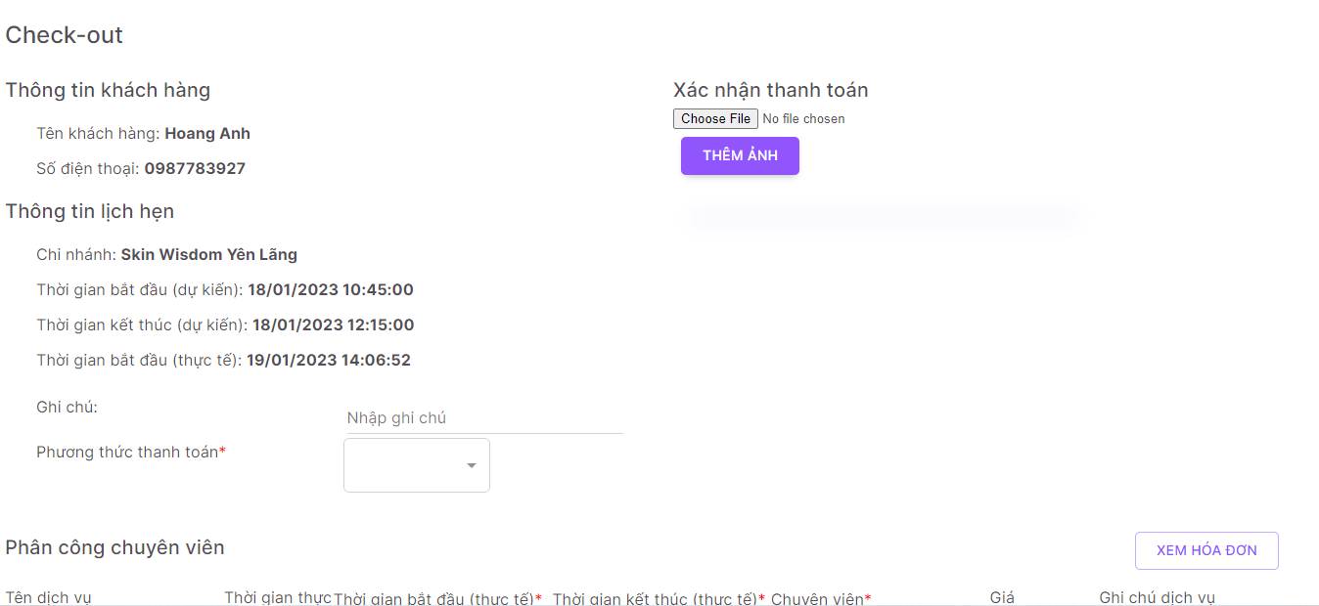 2. Default UI of Checkout Appointment dialog is displayed as below: |  | Passed | 12/01 | LongTN | Passed | 26/01 | LongTN
Checkout Appointment_2 | Check font size, color of text on the dialog | 1. Check font size, color of text on the dialog | 1. Font size, color of text is displayed as prototy |  | Passed | 12/01 | LongTN | Passed | 26/01 | LongTN
Checkout Appointment_3 | Check behavior of system when pressing "Tab" | 1. Focus mouse on the first text box 2. Press "Tab" on keyboard | 1. The point is moved from left to right, from up to down on each item |  | Passed | 12/01 | LongTN | Passed | 26/01 | LongTN
Checkout Appointment_4 | Check behavior of system when pressing "ESC" | 1. Navigate to Checkout Appointment dialog 2. Press "ESC" on keyboard | 1. Close Checkout Appointment dialog |  | Passed | 12/01 | LongTN | Passed | 26/01 | LongTN
Validation
Checkout Appointment_5 | Check display default 'Tên khách hàng' field | 1. Navigate to Checkout Appointment dialog 2. Check display 'Tên khách hàng' field | 1. Textbox are display data as created |  | Passed | 12/01 | LongTN | Passed | 26/01 | LongTN
Checkout Appointment_6 | Check display default 'Số điện thoại' field | 1. Navigate to Checkout Appointment dialog 2. Check display 'Số điện thoại' field | 1. Textbox are display data as created |  | Passed | 12/01 | LongTN | Passed | 26/01 | LongTN
Checkout Appointment_7 | Check display default 'Chi nhánh' field | 1. Navigate to Checkout Appointment dialog 2. Check display 'Chi nhánh' field | 1. Textbox are display data as created |  | Passed | 12/01 | LongTN | Passed | 26/01 | LongTN
Checkout Appointment_8 | Check display default 'Thời gian bắt đầu dự kiến' field | 1. Navigate to Checkout Appointment dialog 2. Check display 'Thời gian bắt đầu (dự kiến)' field | 1. Textbox are display data as created |  | Passed | 12/01 | LongTN | Passed | 26/01 | LongTN
Checkout Appointment_9 | Check display default 'Thời gian kết thúc dự kiến' field | 1. Navigate to Checkout Appointment dialog 2. Check display 'Thời gian kết thúc dự kiến' field | 1. Textbox are display data as created |  | Passed | 12/01 | LongTN | Passed | 26/01 | LongTN
Checkout Appointment_10 | Check display default 'Thời gian bắt đầu (thực tế)' field | 1. Navigate to Checkout Appointment dialog 2. Check display 'Thời gian bắt đầu (thực tế)' field | 1. Textbox are display data as created |  | Passed | 12/01 | LongTN | Passed | 26/01 | LongTN
Checkout Appointment_11 | Check display default 'Ghi chú' field | 1. Navigate to Checkout Appointment dialog 2. Check display 'Ghi chú' field | 1. Textbox are display data blank |  | Passed | 12/01 | LongTN | Passed | 26/01 | LongTN
Checkout Appointment_12 | Check input 'Ghi chú' by paste data | 1. Navigate to Checkout Appointment dialog 2. Paste data to 'Ghi chú' field 3. Input valid data into all other fields | 1. Data inputted succesfully 2. Checkout Appointment successfully |  | Passed | 12/01 | LongTN | Passed | 26/01 | LongTN
Checkout Appointment_13 | Check behavior of system when inputting space before and after 'Ghi chú' | 1. Navigate to Checkout Appointment dialog 2. Input space before and after 'Ghi chú' 3. Input valid data into all other fields 4. Click button 'Check-out' | 1. - Space before/after 'Ghi chú' are auto trim 2. - Checkout Appointment successfully |  | Passed | 12/01 | LongTN | Passed | 26/01 | LongTN
Checkout Appointment_14 | Check behavior of system when inputting space between characters 'Ghi chú' field | 1. Navigate to Checkout Appointment dialog 2. Input space between characters 'Ghi chú' field 3. Input valid data into all other fields 4. Click button 'Check-out' | 1. Checkout Appointment successfully |  | Passed | 12/01 | LongTN | Passed | 26/01 | LongTN
Checkout Appointment_15 | Check inputting special characters | 1. Navigate to Checkout Appointment dialog 2. Input special characters @ # $ % ^ * ~ /\\,| 'Ghi chú' field 3. Input valid data into all other fields 4. Click button 'Check-out' | 1. Data inputted succesfully 2. Checkout Appointment successfully |  | Passed | 12/01 | LongTN | Passed | 26/01 | LongTN
Checkout Appointment_16 | Check field 'Ghi chú' is too long | 1. Navigate to Checkout Appointment dialog 2. Input 'Ghi chú' is too long 3. Input valid data into all other fields 4. Click button 'Check-out' | 1. Checkout Appointment unsuccessfully 2. Show message "chỉ được nhập tối đa 1000 kí tự" |  | Passed | 12/01 | LongTN | Passed | 26/01 | LongTN
Checkout Appointment_17 | Check display default 'Phương thức thanh toán' field | 1. Navigate to Checkout Appointment dialog 2. Check display 'Phương thức thanh toán' field | 1. Textbox are display data blank |  | Passed | 12/01 | LongTN | Passed | 26/01 | LongTN
Checkout Appointment_18 | Check options values in dropdown list | 1. Navigate to Checkout Appointment dialog 2. Click on dropdown list | 1. Show list service in Appointment |  | Passed | 12/01 | LongTN | Passed | 26/01 | LongTN
Checkout Appointment_19 | Check input in 'Phương thức thanh toán' field | 1. Navigate to Checkout Appointment dialog 2. Input 'Phương thức thanh toán' field | 1. Don't allow input |  | Passed | 12/01 | LongTN | Passed | 26/01 | LongTN
Checkout Appointment_20 | Check validate madatory 'Phương thức thanh toán' field | 1. Navigate to Checkout Appointment dialog 2. Set'Phương thức thanh toán' field blank 3. Input valid data into all other fields 4. Click button 'Check-out' | 1. Checkout Appointment unsuccessfully 2. Show message "Bạn chưa chọn phương thức thanh toán" |  | Passed | 12/01 | LongTN | Passed | 26/01 | LongTN
Checkout Appointment_21 | Check when selected 1 option | 1. Navigate to Checkout Appointment dialog 2. Selected 1 option 'Phương thức thanh toán' field 3. Input valid data into all other fields 4. Click button 'Check-out' | 1. Checkout Appointment successfully |  | Passed | 12/01 | LongTN | Passed | 26/01 | LongTN
Checkout Appointment_22 | Check display default 'Ghi chú dịch vụ' field | 1. Navigate to Checkout Appointment dialog 2. Check display 'Ghi chú dịch vụ' field | 1. Textbox are display data blank |  | Passed | 12/01 | LongTN | Passed | 26/01 | LongTN
Checkout Appointment_23 | Check input 'Ghi chú dịch vụ' by paste data | 1. Navigate to Checkout Appointment dialog 2. Paste data to 'Ghi chú dịch vụ' field 3. Input valid data into all other fields | 1. Data inputted succesfully 2. Checkout Appointment successfully |  | Passed | 12/01 | LongTN | Passed | 26/01 | LongTN
Checkout Appointment_24 | Check behavior of system when inputting space before and after 'Ghi chú dịch vụ' | 1. Navigate to Checkout Appointment dialog 2. Input space before and after 'Ghi chú dịch vụ' 3. Input valid data into all other fields 4. Click button 'Check-out' | 1. - Space before/after 'Ghi chú dịch vụ' are auto trim 2. - Checkout Appointment successfully |  | Passed | 12/01 | LongTN | Passed | 26/01 | LongTN
Checkout Appointment_25 | Check behavior of system when inputting space between characters 'Ghi chú dịch vụ' field | 1. Navigate to Checkout Appointment dialog 2. Input space between characters 'Ghi chú dịch vụ' field 3. Input valid data into all other fields 4. Click button 'Check-out' | 1. Checkout Appointment successfully |  | Passed | 12/01 | LongTN | Passed | 26/01 | LongTN
Checkout Appointment_26 | Check inputting special characters | 1. Navigate to Checkout Appointment dialog 2. Input special characters @ # $ % ^ * ~ /\\,| 'Ghi chú dịch vụ' field 3. Input valid data into all other fields 4. Click button 'Check-out' | 1. Data inputted succesfully 2. Checkout Appointment successfully |  | Passed | 12/01 | LongTN | Passed | 26/01 | LongTN
Checkout Appointment_27 | Check field 'Ghi chú dịch vụ' is too long | 1. Navigate to Checkout Appointment dialog 2. Input 'Ghi chú dịch vụ' is too long 3. Input valid data into all other fields 4. Click button 'Check-out' | 1. Checkout Appointment unsuccessfully 2. Show message "chỉ được nhập tối đa 1000 kí tự" |  | Passed | 12/01 | LongTN | Passed | 26/01 | LongTN
Checkout Appointment_28 | Check display default 'Thời gian kết thúc (thực tế)' field | 1. Navigate to Checkout Appointment dialog 2. Check display 'Thời gian kết thúc (thực tế)' field | 1. Textbox are display data showing the actual end time that has been calculated |  | Passed | 12/01 | LongTN | Passed | 26/01 | LongTN
Checkout Appointment_29 | Check focus in calendar when date is inputted in textbox 'Thời gian kết thúc thực tế' | 1. Navigate to Checkout Appointment dialog 2. Input valid date into textbox (eg: 30/08/2000) 3. Click on calendar | 1. Focus on added date (30/08/2000) |  | Passed | 12/01 | LongTN | Passed | 26/01 | LongTN
Checkout Appointment_30 | Check date picker in textbox 'Thời gian kết thúc thực tế' | 1. Navigate to Checkout Appointment dialog 2. Select 1 date on calendar | 1. Calendar closes |  | Passed | 12/01 | LongTN | Passed | 26/01 | LongTN
Checkout Appointment_31 | Check when the input date is more than 1 day behind the current date in the 'Thời gian kết thúc ' field | 1. Navigate to Checkout Appointment dialog 2. Input after current date more than 1 day 3. Input valid data into all other fields 4. Click button 'Check-out' | 1. Checkout Appointment unsuccessfully 2. Show message :"Thời gian kết thúc thực tế không sang ngày khác so với thời gian bắt đầu thực tế” |  | Passed | 12/01 | LongTN | Passed | 26/01 | LongTN
Checkout Appointment_32 | Check when inputted date is current date in 'Thời gian bắt đầu thực tế' fields | 1. Navigate to Checkout Appointment dialog 2. Input date that is current date 3. Input valid data into all other fields 4. Click button 'Check-out' | 1. Checkout Appointment successfully |  | Passed | 12/01 | LongTN | Passed | 26/01 | LongTN
Checkout Appointment_33 | Check when inputted date is before the date in 'Thời gian bắt đầu thực tế' fields in Service of 'Thời gian kết thúc thực tế' fields | 1. Navigate to Checkout Appointment dialog 2. Input date that is before date 3. Input valid data into all other fields 4. Click button 'Check-out' | 1. Checkout Appointment unsuccessfully 2. Show message :"Thời gian kết thúc của dịch vụ ... không thể nhỏ hơn thời gian bắt đầu của chính dịch vụ đó" |  | Passed | 12/01 | LongTN | Passed | 26/01 | LongTN
Checkout Appointment_34 | Check when inputted date is before the date in 'Thời gian bắt đầu thực tế' fields in Appointment of 'Thời gian kết thúc thực tế' fields | 1. Navigate to Checkout Appointment dialog 2. Input date that is before date 3. Input valid data into all other fields 4. Click button 'Check-out' | 1. Checkout Appointment unsuccessfully 2. Show message :"Thời gian kết thúc của dịch vụ ... không thể nhỏ hơn thời gian bắt đầu của lịch hẹn" |  | Passed | 12/01 | LongTN | Passed | 26/01 | LongTN
Checkout Appointment_35 | Check madatory input date | 1. Navigate to Checkout Appointment dialog 2. Set date blank 3. Input valid data into all other fields 4. Click button 'Check-out' | 1. Checkout Appointment unsuccessfully 2. Show message :"Vui lòng điền thời gian cho tất cả các dịch vụ" |  | Passed | 12/01 | LongTN | Passed | 26/01 | LongTN
Checkout Appointment_36 | Check madatory input date | 1. Navigate to Checkout Appointment dialog 2. Set date is invalid date 3. Input valid data into all other fields 4. Click button 'Check-out' | 1. Checkout Appointment unsuccessfully 2. Show message :"Thời gian không hợp lệ. Vui lòng kiểm tra lại” |  | Passed | 12/01 | LongTN | Passed | 26/01 | LongTN
Checkout Appointment_37 | Check input in 'Thời gian kết thúc thực tế' field | 1. Navigate to Checkout Appointment dialog 2. Input 'Thời gian kết thúc thực tế' field | 2. Allow input |  | Passed | 12/01 | LongTN | Passed | 26/01 | LongTN
Checkout Appointment_38 | Check input in 'Thời gian bắt đầu thực tế' field is not number | 1. Navigate to Checkout Appointment dialog 2. Input 'Thời gian bắt đầu thực tế' field is not number | 2. Don't Allow input |  | Passed | 12/01 | LongTN | Passed | 26/01 | LongTN
Checkout Appointment_39 | Check button "Xem hoá đơn" | 1. Navigate to Checkout Appointment dialog 2. Click button "Xem hoá đơn" | 1. Show dialog 'Hoá đơn dịch vụ' |  | Passed | 12/01 | LongTN | Passed | 26/01 | LongTN
Checkout Appointment_40 | Check button "In hoá đơn" | 1. Navigate to Checkout Appointment dialog 2. Click button "Xem hoá đơn" 3. Click button "In hoá đơn" | 1. Print successfully |  | Passed | 12/01 | LongTN | Passed | 26/01 | LongTN
Checkout Appointment_41 | Check field 'Thêm ảnh' | 1. Navigate to Checkout Appointment dialog 2. Choose file image 3. Input valid data into all other fields 4. Click button 'Check-out' | 1. Checkout Appointment successfully |  | Passed | 12/01 | LongTN | Passed | 26/01 | LongTN
Checkout Appointment_42 | Check validate madatory field 'Thêm ảnh' blank | 1. Navigate to Checkout Appointment dialog 2. Choose file image blank 3. Input valid data into all other fields 4. Click button 'Check-out' | 1. Checkout Appointment unsuccessfully 2. Show message :"Bạn chưa upload ảnh nhằm xác nhận thanh toán" |  | Passed | 12/01 | LongTN | Passed | 26/01 | LongTN
Checkout Appointment_43 | Check validate field 'Thêm ảnh' is invalid | 1. Navigate to Checkout Appointment dialog 2. Choose file image invalid 3. Input valid data into all other fields 4. Click button 'Check-out' | 1. Checkout Appointment unsuccessfully 2. Show message :"Chỉ được gửi file ảnh" |  | Passed | 12/01 | LongTN | Passed | 26/01 | LongTN
Checkout Appointment_44 | Check click button 'Check-out' | 1. Navigate to Checkout Appointment dialog 2. Input valid data into all fields 3. Click button 'Check-out' | 1. Checkout Appointment successfully, save info new Appointment |  | Passed | 12/01 | LongTN | Passed | 26/01 | LongTN
Checkout Appointment_45 | Check click button 'Đóng' | 1. Navigate to Checkout Appointment dialog 2. Input valid data into all fields 3. Click button 'Đóng' | 1. Show Appointment Management screen |  | Passed | 12/01 | LongTN | Passed | 26/01 | LongTN
Function
Checkout Appointment_46 | Check when click 'In hoá đơn' successfully | 1. Navigate to Checkout Appointment dialog 2. Click button "Xem hoá đơn" 3. Click button "In hoá đơn" | 1. Grid Appointment list reload and show info Appointment created |  | Passed | 12/01 | LongTN | Passed | 26/01 | LongTN
Checkout Appointment_47 | Check when click 'Thêm ảnh' successfully | 1. Navigate to Checkout Appointment dialog 2. Choose file image 3. Click button "Thêm ảnh" 4. Input valid data into all fields 5. Click button 'Check-out' | 1. Grid "Hoá đơn dịch vụ" dialog |  | Passed | 12/01 | LongTN | Passed | 26/01 | LongTN
Checkout Appointment_48 | Check when click 'Thêm ảnh' unsuccessfully | 1. Navigate to Checkout Appointment dialog 2. Choose file image invalid 3. Click button "Thêm ảnh" 4. Input valid data into all fields 5. Click button 'Check-out' | 1. Show error message |  | Passed | 12/01 | LongTN | Passed | 26/01 | LongTN
Checkout Appointment_49 | Check when click 'Check-out' successfully | 1. Navigate to Checkout Appointment dialog 2. Input valid data into all fields 3. Click button 'Check-out' | 1. Grid Appointment list reload and show info Appointment created |  | Passed | 12/01 | LongTN | Passed | 26/01 | LongTN
Checkout Appointment_50 | Check when click 'Check-out' unsuccessfully | 1. Navigate to Checkout Appointment dialog 2. Input invalid data into all fields 3. Click button 'Check-out' | 1. Show error message 2. Set focus and highlight the field |  | Passed | 12/01 | LongTN | Passed | 26/01 | LongTN

Confirm Appointment
Back to test cases
Feature | <Appointment Management>
Test requirement | Confirm Appointment
Number of TCs | 15
Testing Round | Passed | Failed | Pending | N/A
Round 1 | 15 | 0 |  | 0
Round 2 | 15 | 0 |  | 0

Test Case ID | Test Case Description | Test Case Procedure | Expected Results | Pre-conditions | Round 1 | Test date | Tester | Round 2 | Test date | Tester | Note
Confirm Appointment
Confirm Appointment_1 | Check default UI of Confirm Appointment | 1. Navigate to Confirm Appointment dialog 2. Check default UI of Confirm Appointment dialog | 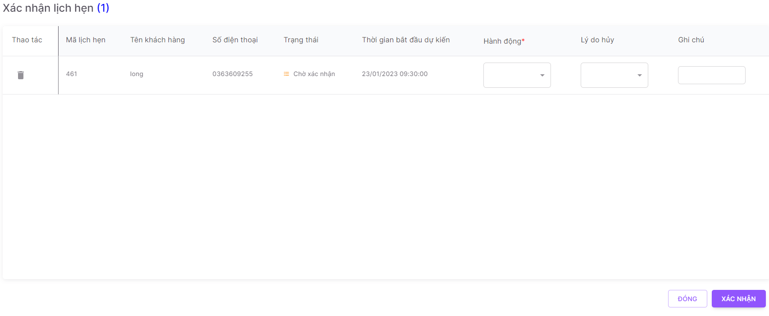 2. Default UI of Confirm Appointment dialog is displayed as below: |  | Passed | 12/01 | LongTN | Passed | 26/01 | LongTN
Confirm Appointment_2 | Check font size, color of text on the dialog | 1. Check font size, color of text on the dialog | 1. Font size, color of text is displayed as prototy |  | Passed | 12/01 | LongTN | Passed | 26/01 | LongTN
Confirm Appointment_3 | Check behavior of system when pressing "Tab" | 1. Focus mouse on the first text box 2. Press "Tab" on keyboard | 1. The point is moved from left to right, from up to down on each item |  | Passed | 12/01 | LongTN | Passed | 26/01 | LongTN
Confirm Appointment_4 | Check behavior of system when pressing "ESC" | 1. Navigate to Confirm Appointment dialog 2. Press "ESC" on keyboard | 1. Close Confirm Appointment dialog |  | Passed | 12/01 | LongTN | Passed | 26/01 | LongTN
Validation
Confirm Appointment_5 | Check display default 'Mã lịch hẹn' field | 1. Navigate to Confirm Appointment dialog 2. Check display 'Mã lịch hẹn' field | 1. Textbox are display data as created |  | Passed | 12/01 | LongTN | Passed | 26/01 | LongTN
Confirm Appointment_6 | Check display default 'Tên khách hàng' field | 1. Navigate to Confirm Appointment dialog 2. Check display 'Tên khách hàng' field | 1. Textbox are display data as created |  | Passed | 12/01 | LongTN | Passed | 26/01 | LongTN
Confirm Appointment_7 | Check display default 'Số điện thoại' field | 1. Navigate to Confirm Appointment dialog 2. Check display 'Số điện thoại' field | 1. Textbox are display data as created |  | Passed | 12/01 | LongTN | Passed | 26/01 | LongTN
Confirm Appointment_8 | Check display default 'Trạng thái' field | 1. Navigate to Confirm Appointment dialog 2. Check display 'Trạng thái' field | 1. Textbox are display data as created |  | Passed | 12/01 | LongTN | Passed | 26/01 | LongTN
Confirm Appointment_9 | Check display default 'Thời gian bắt đầu dự kiến' field | 1. Navigate to Confirm Appointment dialog 2. Check display 'Thời gian bắt đầu dự kiến' field | 1. Textbox are display data as created |  | Passed | 12/01 | LongTN | Passed | 26/01 | LongTN
Confirm Appointment_10 | Check display default 'Hành động' field | 1. Navigate to Confirm Appointment dialog 2. Check display 'Hành động field | 1. Textbox are display data as created |  | Passed | 12/01 | LongTN | Passed | 26/01 | LongTN
Confirm Appointment_11 | Check click icon delete | 1. Navigate to Cancel Appointment dialog 2. Click icon delete | 1.Remove Appointment from Cancel Appointment screen |  | Passed | 12/01 | LongTN | Passed | 26/01 | LongTN
Confirm Appointment_12 | Check click button 'Xác nhận' | 1. Navigate to Confirm Appointment dialog 2. Input valid data into all fields 3. Click button 'Xác nhận' | 1. Confirm Appointment successfully, save info new Appointment |  | Passed | 12/01 | LongTN | Passed | 26/01 | LongTN
Confirm Appointment_13 | Check click button 'Đóng' | 1. Navigate to Confirm Appointment dialog 2. Input valid data into all fields 3. Click button 'Đóng' | 1. Show Service Management screen |  | Passed | 12/01 | LongTN | Passed | 26/01 | LongTN
Function
Confirm Appointment_14 | Check when click 'Xác nhận' successfully | 1. Navigate to Confirm Appointment dialog 2. Input valid data into all fields 3. Click button 'Xác nhận' | 1. Grid Appointment list reload and show info Appointment created |  | Passed | 12/01 | LongTN | Passed | 26/01 | LongTN
Confirm Appointment_15 | Check when click 'Xác nhận' unsuccessfully | 1. Navigate to Confirm Appointment dialog 2. Input invalid data into all fields 3. Click button 'Xác nhận' | 1. Show error message 2. Set focus and highlight the field |  | Passed | 12/01 | LongTN | Passed | 26/01 | LongTN | Don't show error message when input invalid fileds

Consult Customer
Back to test cases
Feature | <Consult Customer Management>
Test requirement | Consult Customer
Number of TCs | 15
Testing Round | Passed | Failed | Pending | N/A
Round 1 | 15 | 0 |  | 0
Round 2 | 15 | 0 |  | 0

Test Case ID | Test Case Description | Test Case Procedure | Expected Results | Pre-conditions | Round 1 | Test date | Tester | Round 2 | Test date | Tester
Consult Customer
Consult Customer_1 | Check default UI of Consult Customer | 1. Navigate to Consult Customer screen 2. Check default UI of Consult Customer screen | 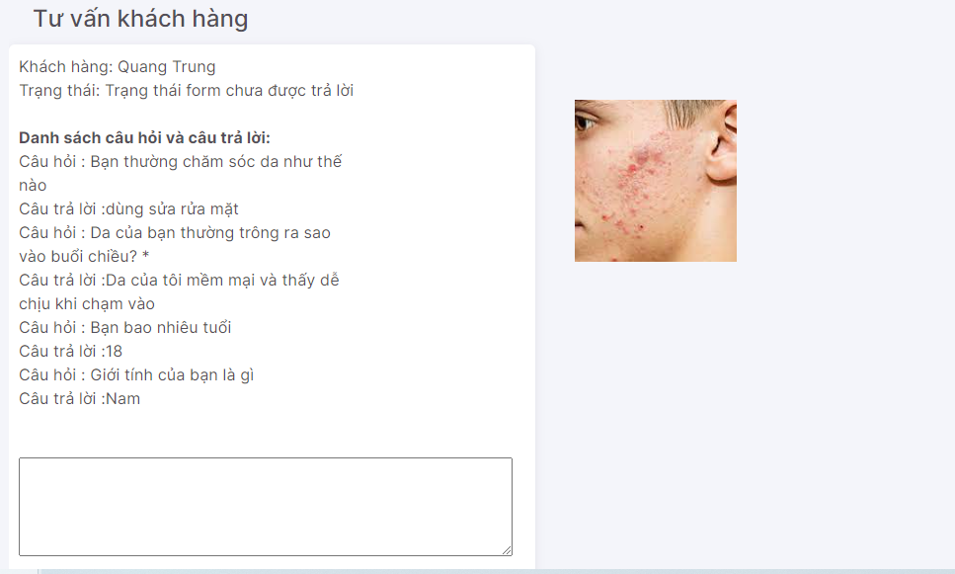 2. Default UI of Consult Customer screen is displayed as below: |  | Passed | 12/01 | LongTN | Passed | 26/01 | LongTN
Consult Customer_2 | Check font size, color of text on the screen | 1. Check font size, color of text on the screen | 1. Font size, color of text is displayed as prototy |  | Passed | 12/01 | LongTN | Passed | 26/01 | LongTN
Validation
Consult Customer_3 | Check display question-answer in Form | 1. Navigate to Consult Customer screen 2. Check display question-answer | 1. Display question-answer is created |  | Passed | 12/01 | LongTN | Passed | 26/01 | LongTN
Consult Customer_4 | Check display customer | 1. Navigate to Consult Customer screen 2. Check display customer | 1. Display customer is created |  | Passed | 12/01 | LongTN | Passed | 26/01 | LongTN
Consult Customer_5 | Check display form status | 1. Navigate to Consult Customer screen 2. Check display form status | 1. Display form status is created |  | Passed | 12/01 | LongTN | Passed | 26/01 | LongTN
Consult Customer_6 | Check display image | 1. Navigate to Consult Customer screen 2. Check display image | 1. Display image is created |  | Passed | 12/01 | LongTN | Passed | 26/01 | LongTN
Consult Customer_7 | Check validation on mandatory 'Tư vấn khách hàng' field | 1. Navigate to Consult Customer screen 2. Set 'Tư vấn khách hàng' field blank 3. Input valid data into all other fields 4. Click button 'Comment' | 1. Show error message:"Bạn chưa tư vấn cho khách hàng" |  | Passed | 12/01 | LongTN | Passed | 26/01 | LongTN
Consult Customer_8 | Check input 'Tư vấn khách hàng' field by paste data | 1. Navigate to Consult Customer screen 2. Paste data to 'Tư vấn khách hàng' field 3. Input valid data into all other fields | 1. Data inputted succesfully |  | Passed | 12/01 | LongTN | Passed | 26/01 | LongTN
Consult Customer_9 | Check input 'Tư vấn khách hàng' field | 1. Navigate to Consult Customer screen 2. Set 'Tư vấn khách hàng' field 3. Input valid data into all other fields 4. Click button 'Comment' | 1. Consult Customer successfully |  | Passed | 12/01 | LongTN | Passed | 26/01 | LongTN
Consult Customer_10 | Check display default 'dịch vụ khả dụng' field | 1. Navigate to Consult Customer screen 2. Check display 'dịch vụ khả dụng' field | 1. Display default service 'Soi và Tư vấn da' |  | Passed | 12/01 | LongTN | Passed | 26/01 | LongTN
Consult Customer_11 | Check when selected 1 option | 1. Navigate to Create Account dialog 2. Selected 1 service 'dịch vụ khả dụng' field 3. Input valid data into all other fields 4. Click button 'Tạo' | 1. Consult Customer successfully |  | Passed | 12/01 | LongTN | Passed | 26/01 | LongTN
Consult Customer_12 | Check when selected many option | 1. Navigate to Create Account dialog 2. Selected many services 'dịch vụ khả dụng' field 3. Input valid data into all other fields 4. Click button 'Comment' |  |  | Passed | 12/01 | LongTN | Passed | 26/01 | LongTN
Consult Customer_13 | Check field 'dịch vụ khả dụng' field | 1. Navigate to Consult Customer screen 2. Choose dropdown list service 3. Input valid data into all other fields 4. Click button 'Comment' |  |  | Passed | 12/01 | LongTN | Passed | 26/01 | LongTN
Function
Consult Customer_14 | Check when click 'Comment' successfully | 1. Navigate to Consult Customer screen 2. Input valid data into all fields 3. Click button 'Comment' | 1. Redirect Consule Customer Management |  | Passed | 12/01 | LongTN | Passed | 26/01 | LongTN
Consult Customer_15 | Check when click 'Comment' unsuccessfully | 1. Navigate to Consult Customer screen 2. Input invalid data into all fields 3. Click button 'Comment' | 1. Show error message |  | Passed | 12/01 | LongTN | Passed | 26/01 | LongTN

Consult Customer Management
Back to test cases
Feature | <Consult Customer Management>
Test requirement | Consult Customer Management
Number of TCs | 22
Testing Round | Passed | Failed | Pending | N/A
Round 1 | 22 | 0 |  | 0
Round 2 | 22 | 0 |  | 0

Test Case ID | Test Case Description | Test Case Procedure | Expected Results | Pre-conditions | Round 1 | Test date | Tester | Round 2 | Test date | Tester | Note
CCM_1 | Check default UI of Consult Customer Management | 1. Navigate to Consult Customer Management screen 2. Check default UI of Consult Customer Management screen | 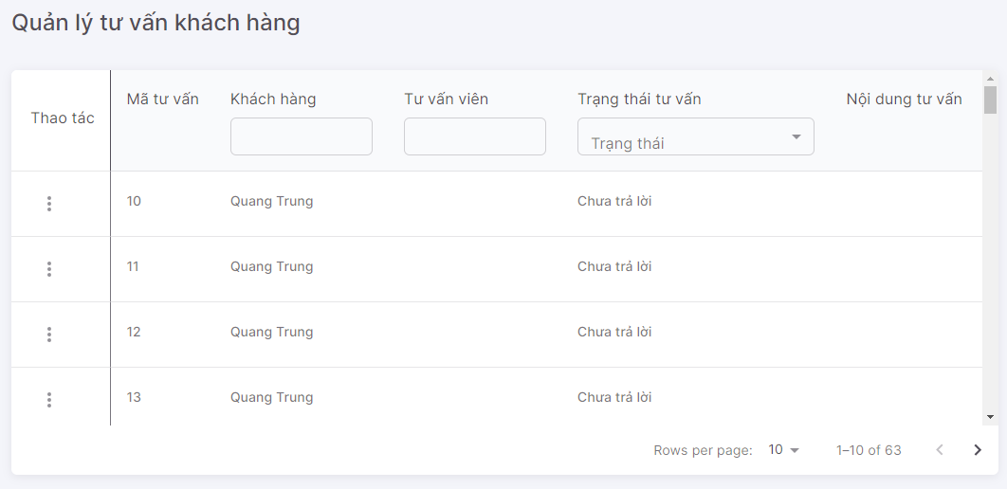 1. Default UI of Consult Customer Management screen is displayed as below: |  | Passed | 12/01 | LongTN | Passed | 26/01 | LongTN
CCM_2 | Check font size, color of text on the screen | 1. Check font size, color of text on the screen | 1. Font size, color of text is displayed as prototy |  | Passed | 12/01 | LongTN | Passed | 26/01 | LongTN
CCM_3 | Check behavior of system when pressing "Tab" | 1. Focus mouse on the first text box 2. Press "Tab" on keyboard | 1. The point is moved from left to right, from up to down on each item |  | Passed | 12/01 | LongTN | Passed | 26/01 | LongTN
Check search terms area
CCM_4 | Check mandatory fileds for textbox 'Khách hàng', 'Tư vấn viên' 'Trạng thái tư vấn' fields | 1. Navigate to Consult Customer Management screen 2. Set fields blank | 2. Show list all Consult Customer created |  | Passed | 12/01 | LongTN | Passed | 26/01 | LongTN
CCM_5 | Check default textbox fields | 1. Navigate to Consult Customer Management screen 2. Check default | 2. Show textbox blank |  | Passed | 12/01 | LongTN | Passed | 26/01 | LongTN
CCM_6 | Check input lowercase characters on textbox | 1. Navigate to Consult Customer Management screen 2. Input lowercase character | 2. Display matching records |  | Passed | 12/01 | LongTN | Passed | 26/01 | LongTN
CCM_7 | Check inputting special characters on textbox | 1. Input special characters @ # $ % ^ * ~ /\\,| 2. Input valid data into all other fields | 2. Display empty list |  | Passed | 12/01 | LongTN | Passed | 26/01 | LongTN
CCM_8 | Check input uppercase character on textbox | 1. Navigate to Consult Customer Management screen 2. Input uppercase character | 2. Display matching records |  | Passed | 12/01 | LongTN | Passed | 26/01 | LongTN
CCM_9 | Check input leading and trailing white space on textbox | 1. Navigate to Consult Customer Management screen 2. Input leading and trailing white space | 2. Display matching records |  | Passed | 12/01 | LongTN | Passed | 26/01 | LongTN
CCM_10 | Check mandatory fields for dropdown list 'Trạng thái tư vấn' fields | 1. Navigate to Consult Customer Management screen 2. Set fields blank | 2. Show list all Consult Customer created |  | Passed | 12/01 | LongTN | Passed | 26/01 | LongTN
CCM_11 | Check default dropdown list fields | 1. Navigate to Consult Customer Management screen 2. Check default | Datatype: "Dropdown list" 2. Show "Tất cả" |  | Passed | 12/01 | LongTN | Passed | 26/01 | LongTN
CCM_12 | Check options values in dropdown list | 1. Navigate to Consult Customer Management screen 2. Click on dropdown list 3. Check options values in dropdown list | 2. Show options values same with fields |  | Passed | 12/01 | LongTN | Passed | 26/01 | LongTN
CCM_13 | Check inputting values on dropdown list | 1. Navigate to Consult Customer Management screen 2. Input on dropdown list | 2. Show options matching with values input |  | Passed | 12/01 | LongTN | Passed | 26/01 | LongTN
CCM_14 | Check when selected 1 option | 1. Navigate to Consult Customer Management screen 2. Selected 1 option | 2. Display matching records |  | Passed | 12/01 | LongTN | Passed | 26/01 | LongTN
CCM_15 | Check when selected many option | 1. Navigate to Consult Customer Management screen 2. Selected many option | 2. Display option final selected |  | Passed | 12/01 | LongTN | Passed | 26/01 | LongTN
Grid
CCM_16 | Check UI button [Tư vấn] | 1. Navigate to Consult Customer Management screen 2. Check button 'Tư vấn' | 1. Show enable |  | Passed | 12/01 | LongTN | Passed | 26/01 | LongTN
CCM_17 | Check click button [Tư vấn] | 1. Navigate to Consult Customer Management screen 2. Check button 'Tư vấn' | 1. Show screen Consult Customer |  | Passed | 12/01 | LongTN | Passed | 26/01 | LongTN
Test Searching + function
CCM_18 | Check searching successfully | 1. Navigate to Consult Customer Management screen 2. Input all criterias that are matching in DB | 1. Display matching records |  | Passed | 12/01 | LongTN | Passed | 26/01 | LongTN
CCM_19 | Check searching unsuccessfully | 1. Navigate to Consult Customer Management screen 2. Input all criterias that are NOT matching in DB | 1. Display empty list |  | Passed | 12/01 | LongTN | Passed | 26/01 | LongTN
CCM_20 | Set search field blank | 1. Navigate to Consult Customer Management screen 2. Set fields blank | 1. Show all records |  | Passed | 12/01 | LongTN | Passed | 26/01 | LongTN
CCM_21 | Search with 1 criteria | 1. Navigate to Consult Customer Management screen 2. Input text into search field 1 that matches some records in DB 3. Set other Search fields blank | 1. Display matching records |  | Passed | 12/01 | LongTN | Passed | 26/01 | LongTN
CCM_22 | Search with 2 criteria (field 1 + field2) | 1. Navigate to Consult Customer Management screen 2. Input data into search field 1 & search fields 2 so that those data match at least 1 record in DB 3. Set other Search fields blank | 1. Display matching records |  | Passed | 12/01 | LongTN | Passed | 26/01 | LongTN

Create Account
Back to test cases
Feature | <Account Management>
Test requirement | Create Account
Number of TCs | 88
Testing Round | Passed | Failed | Pending | N/A
Round 1 | 88 | 0 |  | 0
Round 2 | 88 | 0 |  | 0

Test Case ID | Test Case Description | Test Case Procedure | Expected Results | Pre-conditions | Round 1 | Test date | Tester | Round 2 | Test date | Tester | Note
Create Account_1 | Check default UI of Create Account | 1. Navigate to Create Account dialog 2. Check default UI of Create Account dialog | 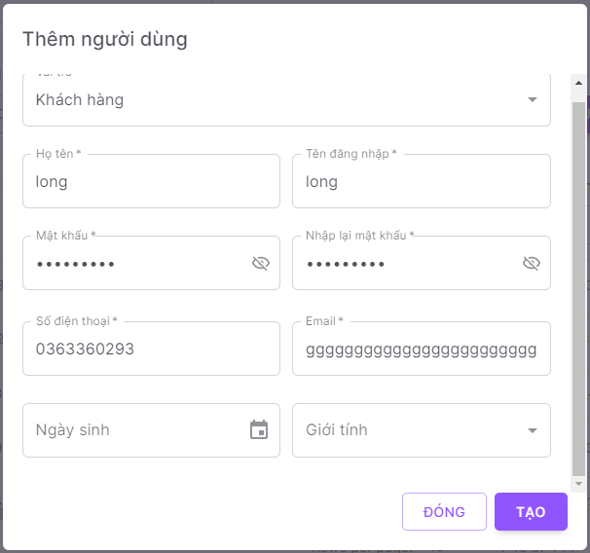 2. Default UI of Create Account dialog is displayed as below: |  | Passed | 12/01 | LongTN | Passed | 26/01 | LongTN
Create Account_2 | Check font size, color of text on the dialog | 1. Check font size, color of text on the dialog | 1. Font size, color of text is displayed as prototy |  | Passed | 12/01 | LongTN | Passed | 26/01 | LongTN
Create Account_3 | Check behavior of system when pressing "ESC" | 1. Navigate to Create Category dialog 2. Press "ESC" on keyboard | 1. Close Create Account dialog |  | Passed | 12/01 | LongTN | Passed | 26/01 | LongTN
Validation
Create Account_4 | Check display default 'Họ và tên' field | 1. Navigate to Create Account dialog 2. Check display 'Họ và tên' field | 1. Textbox are display data blank |  | Passed | 12/01 | LongTN | Passed | 26/01 | LongTN
Create Account_5 | Check validation on mandatory 'Họ và tên' field | 1. Navigate to Create Account dialog 2. Set 'Họ và tên' field blank 3. Input valid data into all other fields | 1. Show error message:"Họ tên không được để trống. Vui lòng kiểm tra lại" 2. Cursor focus on the required field and the field is highlighted |  | Passed | 12/01 | LongTN | Passed | 26/01 | LongTN
Create Account_6 | Check 'Họ và tên' field is too long | 1. Navigate to Create Account dialog 2. Set 'Họ và tên' field is too long 3. Input valid data into all other fields | 1. Show error message:"Trường này chỉ được nhập tối đa 50 kí tự" 2. Cursor focus on the required field and the field is highlighted |  | Passed | 12/01 | LongTN | Passed | 26/01 | LongTN
Create Account_7 | Check input 'Họ và tên' by paste data | 1. Navigate to Create Account dialog 2. Paste data to 'Họ và tên' field 3. Input valid data into all other fields | 1. Data inputted succesfully |  | Passed | 12/01 | LongTN | Passed | 26/01 | LongTN
Create Account_8 | Check behavior of system when inputting space before and after 'Họ và tên' | 1. Navigate to Create Account dialog 2. Input space before and after 'Họ và tên' 3. Input valid data into all other fields 4. Click button 'Tạo' | 1. - Space before/after 'Họ và tên' are auto trim 2. - Create Account successfully |  | Passed | 12/01 | LongTN | Passed | 26/01 | LongTN
Create Account_9 | Check behavior of system when inputting space between characters 'Họ và tên' field | 1. Navigate to Create Account dialog 2. Input space between characters 'Họ và tên' field 3. Input valid data into all other fields 4. Click button 'Tạo' | 1. Create Account successfully |  | Passed | 12/01 | LongTN | Passed | 26/01 | LongTN
Create Account_10 | Check duplicate Họ và tên | 1. Navigate to Create Account dialog 2. Input 'Họ và tên' that already exists in the system 3. Input valid data into all other fields 4. Click button 'Tạo' | 1. Create Account successfully |  | Passed | 12/01 | LongTN | Passed | 26/01 | LongTN
Create Account_11 | Check inputting special characters | 1. Navigate to Create Account dialog 2. Input special characters @ # $ % ^ * ~ /\\,| 3. Input valid data into all other fields 4. Click button 'Tạo' | 1. Show error message: "Kí tự đã nhập không đúng định dạng" Cursor focus on the required field and the field is highlighted |  | Passed | 12/01 | LongTN | Passed | 26/01 | LongTN
Create Account_12 | Check display default 'Tên đăng nhập' field | 1. Navigate to Create Account dialog 2. Check display 'Tên đăng nhập' field | 2. Textbox are display data blank |  | Passed | 12/01 | LongTN | Passed | 26/01 | LongTN
Create Account_13 | Check validation on mandatory 'Tên đăng nhập' field | 1. Navigate to Create Account dialog 2. Set 'Tên đăng nhập' field blank 3. Input valid data into all other fields | 2. Show error message:"Tên đăng nhập không được để trống. Vui lòng kiểm tra lại" 3. Cursor focus on the required field and the field is highlighted |  | Passed | 12/01 | LongTN | Passed | 26/01 | LongTN
Create Account_14 | Check 'Tên đăng nhập' is too long | 1. Navigate to Create Account dialog 2. Input 'Tên đăng nhập' is too long 3. Input valid data into all other fields 4. Click button 'Tạo' | 2. Show error message:"Trường này chỉ được nhập tối đa 50 kí tự" 3. Cursor focus on the required field and the field is highlighted |  | Passed | 12/01 | LongTN | Passed | 26/01 | LongTN
Create Account_15 | Check input 'Tên đăng nhập' by paste data | 1. Navigate to Create Account dialog 2. Paste data to 'Tên đăng nhập' field 3. Input valid data into all other fields | 2. Data inputted succesfully |  | Passed | 12/01 | LongTN | Passed | 26/01 | LongTN
Create Account_16 | Check duplicate Tên đăng nhập | 1. Navigate to Create Account dialog 2. Input 'Tên đăng nhập' that already exists in the system 3. Input valid data into all other fields 4. Click button 'Tạo' | 1. Create Account unsuccessfully 2. Show error message:"Tên đăng nhập đã tồn tại, vui lòng kiểm tra và thử lại." |  | Passed | 12/01 | LongTN | Passed | 26/01 | LongTN
Create Account_17 | Check behavior of system when inputting space before and after 'Tên đăng nhập' | 1. Navigate to Create Account dialog 2. Input space before and after 'Tên đăng nhập' 3. Input valid data into all other fields 4. Click button 'Tạo' | 4. - Space before/after 'Tên đăng nhập' are auto trim - Create Account successfully |  | Passed | 12/01 | LongTN | Passed | 26/01 | LongTN
Create Account_18 | Check behavior of system when inputting space between characters 'Tên đăng nhập' field | 1. Navigate to Create Account dialog 2. Input space between characters 'Họ và tên' field 3. Input valid data into all other fields 4. Click button 'Tạo' | 2. Show error message:"Tên đăng nhập không đúng định dạng" 3. Cursor focus on the required field and the field is highlighted |  | Passed | 12/01 | LongTN | Passed | 26/01 | LongTN
Create Account_19 | Check inputting special characters | 1. Navigate to Create Account dialog 2. Input special characters @ # $ % ^ * ~ /\\,| 3. Input valid data into all other fields 4. Click button 'Tạo' | 4. Create Account successfully |  | Passed | 12/01 | LongTN | Passed | 26/01 | LongTN
Create Account_20 | Check display default 'Mật khẩu' field | 1. Navigate to Create Account dialog 2. Check display 'Mật khẩu' field | 2. Textbox are display data blank |  | Passed | 12/01 | LongTN | Passed | 26/01 | LongTN
Create Account_21 | Check validation on mandatory 'Mật khẩu' field | 1. Navigate to Create Account dialog 2. Set 'Mật khẩu' field blank 3. Input valid data into all other fields | 2. Show error message:"Mật khẩu không hợp lệ. Vui lòng kiểm tra lại" 3. Cursor focus on the required field and the field is highlighted |  | Passed | 12/01 | LongTN | Passed | 26/01 | LongTN
Create Account_22 | Check 'Mật khẩu' is too long | 1. Navigate to Create Account dialog 2. Input 'Mật khẩu' is too long 3. Input valid data into all other fields 4. Click button 'Tạo' |  |  | Passed | 12/01 | LongTN | Passed | 26/01 | LongTN
Create Account_23 | Check input 'Mật khẩu' by paste data | 1. Navigate to Create Account dialog 2. Paste data to 'Mật khẩu' field 3. Input valid data into all other fields | 2. Data inputted succesfully |  | Passed | 12/01 | LongTN | Passed | 26/01 | LongTN
Create Account_24 | Check inputting 'Mật khẩu' all characters | 1. Navigate to Create Account dialog 2. Input 'Mật khẩu' all characters 3. Input valid data into all other fields 4. Click button 'Tạo' | 2. Show error message:"Mật khẩu không hợp lệ. Vui lòng kiểm tra lại" |  | Passed | 12/01 | LongTN | Passed | 26/01 | LongTN
Create Account_25 | Check inputting 'Mật khẩu' all number | 1. Navigate to Create Account dialog 2. Input 'Mật khẩu' all word 3. Input valid data into all other fields 4. Click button 'Tạo' |  |  | Passed | 12/01 | LongTN | Passed | 26/01 | LongTN
Create Account_26 | Check behavior of system when inputting space between characters 'Mật khẩu' field | 1. Navigate to Create Account dialog 2. Input space between characters 'Họ và tên' field 3. Input valid data into all other fields 4. Click button 'Tạo' |  |  | Passed | 12/01 | LongTN | Passed | 26/01 | LongTN
Create Account_27 | Check inputting 'Mật khẩu' all special characters | 1. Navigate to Create Account dialog 2. Input special characters @ # $ % ^ * ~ /\\,| 3. Input valid data into all other fields 4. Click button 'Tạo' |  |  | Passed | 12/01 | LongTN | Passed | 26/01 | LongTN
Create Account_28 | Check 'Mật khẩu' has at least 1 character, 1 number, 1 special character | 1. Navigate to Create Account dialog 2. Input 'Mật khẩu' has at least 1 character, 1 number, 1 special character 3. Input valid data into all other fields 4. Click button 'Tạo' | 4. Create Account successfully |  | Passed | 12/01 | LongTN | Passed | 26/01 | LongTN
Create Account_29 | Check display default 'Nhập Lại Mật khẩu' field | 1. Navigate to Create Account dialog 2. Check display 'Nhập Lại Mật khẩu' field | 2. Textbox are display data blank |  | Passed | 12/01 | LongTN | Passed | 26/01 | LongTN
Create Account_30 | Check validation on mandatory 'Nhập Lại Mật khẩu' field | 1. Navigate to Create Account dialog 2. Set 'Nhập Lại Mật khẩu' field blank 3. Input valid data into all other fields | 2. Show error message:"Không trùng khớp với mật khẩu! Vui lòng kiểm tra lại" 3. Cursor focus on the required field and the field is highlighted |  | Passed | 12/01 | LongTN | Passed | 26/01 | LongTN
Create Account_31 | Check 'Nhập Lại Mật khẩu' is not match "Mật khẩu" | 1. Navigate to Create Account dialog 2. Input 'Nhập Lại Mật khẩu' is not match "Mật khẩu" 3. Input valid data into all other fields 4. Click button 'Tạo' |  |  | Passed | 12/01 | LongTN | Passed | 26/01 | LongTN
Create Account_32 | Check 'Nhập Lại Mật khẩu' is match "Mật khẩu" | 1. Navigate to Create Account dialog 2. Input 'Nhập Lại Mật khẩu' is match "Mật khẩu" 3. Input valid data into all other fields 4. Click button 'Tạo' | 4. Create Account successfully |  | Passed | 12/01 | LongTN | Passed | 26/01 | LongTN
Create Account_33 | Check display default 'Số điện thoại' field | 1. Navigate to Create Account dialog 2. Check display 'Số điện thoại' field | 2. Textbox are display data blank |  | Passed | 12/01 | LongTN | Passed | 26/01 | LongTN
Create Account_34 | Check validation on mandatory 'Số điện thoại' field | 1. Navigate to Create Account dialog 2. Set 'Số điện thoại' field blank 3. Input valid data into all other fields 4. Click button 'Tạo' | 2. Show error message:"Số điện thoại không hợp lệ" 3. Cursor focus on the required field and the field is highlighted |  | Passed | 12/01 | LongTN | Passed | 26/01 | LongTN
Create Account_35 | Check input 'Số điện thoại' by paste data | 1. Navigate to Create Account dialog 2. Paste data to 'Số điện thoại' field 3. Input valid data into all other fields | 2. Data inputted succesfully |  | Passed | 12/01 | LongTN | Passed | 26/01 | LongTN
Create Account_36 | Check behavior of system when inputting space before and after 'Số điện thoại' | 1. Navigate to Create Account dialog 2. Input space before and after 'Số điện thoại' 3. Input valid data into all other fields 4. Click button 'Tạo' | 2. Show error message:"Số điện thoại không hợp lệ" 3. Cursor focus on the required field and the field is highlighted |  | Passed | 12/01 | LongTN | Passed | 26/01 | LongTN
Create Account_37 | Check behavior of system when inputting space between characters 'Số điện thoại' field | 1. Navigate to Create Account dialog 2. Input space between characters 'Số điện thoại' field 3. Input valid data into all other fields 4. Click button 'Tạo' | 2. Show error message:"Số điện thoại không hợp lệ" 3. Cursor focus on the required field and the field is highlighted |  | Passed | 12/01 | LongTN | Passed | 26/01 | LongTN
Create Account_38 | Check input letters, special characters | 1. Navigate to Create Account dialog 2. Input letters, special characters @ # $ % ^ * ~ /\\,| 'Yêu cầu' field 3. Input valid data into all other fields 4. Click button 'Tạo' | 2. Show error message:"Số điện thoại không hợp lệ" 3. Cursor focus on the required field and the field is highlighted |  | Passed | 12/01 | LongTN | Passed | 26/01 | LongTN
Create Account_39 | Check input a string that >10 'Số điện thoại' field | 1. Navigate to Create Account dialog 2. Input string > 10 3. Input valid data into all other fields 4. Click button 'Tạo' | 2. Show error message:"Số điện thoại không hợp lệ" 3. Cursor focus on the required field and the field is highlighted |  | Passed | 12/01 | LongTN | Passed | 26/01 | LongTN
Create Account_40 | Check input a string that < 10 'Số điện thoại' field | 1. Navigate to Create Account dialog 2. Input string < 10 3. Input valid data into all other fields 4. Click button 'Tạo' | 2. Show error message:"Số điện thoại không hợp lệ" 3. Cursor focus on the required field and the field is highlighted |  | Passed | 12/01 | LongTN | Passed | 26/01 | LongTN
Create Account_41 | Check input a string that = 10 'Số điện thoại' field | 1. Navigate to Create Account dialog 2. Input string = 10 3. Input valid data into all other fields 4. Click button 'Tạo' | 2. Data inputted succesfully 4. Create Account successfully |  | Passed | 12/01 | LongTN | Passed | 26/01 | LongTN
Create Account_42 | Check prefix +84 'Số điện thoại' field | 1. Navigate to Create Account dialog 2. Input phone number with prefix +84 3. Input valid data into all other fields 4. Click button 'Tạo' | 2. Data inputted succesfully 4. Create Account successfully |  | Passed | 12/01 | LongTN | Passed | 26/01 | LongTN
Create Account_43 | Check duplicate Số điện thoại | 1. Navigate to Create Account dialog 2. Input 'Số điện thoại' that already exists in the system 3. Input valid data into all other fields 4. Click button 'Tạo' | 1. Create Account unsuccessfully 2. Show error message:"Địa chỉ email hoặc số điện thoại đã tồn tại, vui lòng kiểm tra và thử lại." |  | Passed | 12/01 | LongTN | Passed | 26/01 | LongTN
Create Account_44 | Check display default 'Email' field | 1. Navigate to Create Account dialog 2. Check display 'Email' field | 2. Textbox are display data blank |  | Passed | 12/01 | LongTN | Passed | 26/01 | LongTN
Create Account_45 | Check validation on mandatory 'Email' field | 1. Navigate to Create Account dialog 2. Set 'Email' field blank 3. Input valid data into all other fields 4. Click button 'Tạo' | 2. Data inputted succesfully 4. Create Account successfully |  | Passed | 12/01 | LongTN | Passed | 26/01 | LongTN
Create Account_46 | Check input 'Email' by paste data | 1. Navigate to Create Account dialog 2. Paste data to 'Email' field 3. Input valid data into all other fields | 2. Data inputted succesfully |  | Passed | 12/01 | LongTN | Passed | 26/01 | LongTN
Create Account_47 | Check behavior of system when inputting space before and after 'Email' | 1. Navigate to Create Account dialog 2. Input space before and after 'Email' 3. Input valid data into all other fields 4. Click button 'Tạo' | 4. - Space before/after 'Email' are auto trim - Create Account successfully |  | Passed | 12/01 | LongTN | Passed | 26/01 | LongTN
Create Account_48 | Check behavior of system when inputting space between characters 'Email' field | 1. Navigate to Create Account dialog 2. Input space between characters 'Email' field 3. Input valid data into all other fields 4. Click button 'Tạo' | 4. Show error message: "Sai format và chỉ được nhập số với tối đa 50 kí tự" Cursor focus on the required field and the field is highlighted |  | Passed | 12/01 | LongTN | Passed | 26/01 | LongTN
Create Account_49 | Check duplicate 'Email' | 1. Navigate to Create Account dialog 2. Input an email that already exists in the system 3. Input valid data into all other fields 4. Click button 'Tạo' | 1. Create Account unsuccessfully 2. Show error message:"Địa chỉ email hoặc số điện thoại đã tồn tại, vui lòng kiểm tra và thử lại." |  | Passed | 12/01 | LongTN | Passed | 26/01 | LongTN
Create Account_50 | Check input 'Email' is too long | 1. Navigate to Create Account dialog 2. Input an email is too long 3. Input valid data into all other fields 4. Click button 'Tạo' |  |  | Passed | 12/01 | LongTN | Passed | 26/01 | LongTN
Create Account_51 | Check input 'Email' that has special characters (except @) | 1. Navigate to Create Account dialog 2. Input an email that has special chracters (except @) 3. Input valid data into all other fields 4. Click button 'Tạo' | 4. Show error message: "Sai format và chỉ được nhập số với tối đa 50 kí tự" Cursor focus on the required field and the field is highlighted |  | Passed | 12/01 | LongTN | Passed | 26/01 | LongTN
Create Account_52 | Check input 'Email' without @ | 1. Navigate to Create Account dialog 2. Input an email without @ 3. Input valid data into all other fields 4. Click button 'Tạo' |  |  | Passed | 12/01 | LongTN | Passed | 26/01 | LongTN
Create Account_53 | Check input 'Email' without domain | 1. Navigate to Create Account dialog 2. Input an email without domain 3. Input valid data into all other fields 4. Click button 'Tạo' |  |  | Passed | 12/01 | LongTN | Passed | 26/01 | LongTN
Create Account_54 | Check input 'Email' without domain extension | 1. Navigate to Create Account dialog 2. Input an email without domain extension 3. Input valid data into all other fields 4. Click button 'Tạo' |  |  | Passed | 12/01 | LongTN | Passed | 26/01 | LongTN
Create Account_55 | Check valid 'Email' | 1. Navigate to Create Account dialog 2. Input valid email (vd: LongTNhe141697@fpt.edu.vn) 3. Input valid data into all other fields 4. Click button 'Tạo' | 2. Data inputted succesfully 4. Create Account successfully |  | Passed | 12/01 | LongTN | Passed | 26/01 | LongTN
Create Account_56 | Check display default 'Giới tính' field | 1. Navigate to Create Account dialog 2. Check display 'Giới tính' field | 1. dropdown are display data blank |  | Passed | 12/01 | LongTN | Passed | 26/01 | LongTN
Create Account_57 | Check validation on mandatory 'Giới tính' field | 1. Navigate to Create Account dialog 2. Set 'Giới tính' field blank 3. Input valid data into all other fields | 1. Create Account successfully |  | Passed | 12/01 | LongTN | Passed | 26/01 | LongTN
Create Account_58 | Check options values in dropdown list | 1. Navigate to Create Account dialog 2. Click on dropdown list | 1. Show: + Nam + Nữ |  | Passed | 12/01 | LongTN | Passed | 26/01 | LongTN
Create Account_59 | Check input in 'Giới tính' field | 1. Navigate to Create Account dialog 2. Input 'Giới tính' field | 1. Don't allow input |  | Passed | 12/01 | LongTN | Passed | 26/01 | LongTN
Create Account_60 | Check when selected 1 option | 1. Navigate to Create Account dialog 2. Selected 1 option 'Giới tính' field 3. Input valid data into all other fields 4. Click button 'Tạo' | 1. Create Account successfully |  | Passed | 12/01 | LongTN | Passed | 26/01 | LongTN
Create Account_61 | Check focus in calendar when date is inputted in textbox 'Ngày sinh' | 1. Navigate to Create Account dialog 2. Input valid date into textbox (eg: 30/08/2000) 3. Click on calendar | 1. Focus on added date (30/08/2000) |  | Passed | 12/01 | LongTN | Passed | 26/01 | LongTN
Create Account_62 | Check date picker in textbox 'Ngày sinh' | 1. Navigate to Create Account dialog 2. Select 1 date on calendar | 1. Calendar closes |  | Passed | 12/01 | LongTN | Passed | 26/01 | LongTN
Create Account_63 | Check when inputted date is after current date in 'Ngày sinh' fields | 1. Navigate to Create Account dialog 2. Disable input after current date 3. Input valid data into all other fields 4. Click button 'Lưu' | 1. Create Account unsuccessfully |  | Passed | 12/01 | LongTN | Passed | 26/01 | LongTN
Create Account_64 | Check when inputted date is current date in 'Ngày sinh' fields | 1. Navigate to Create Account dialog 2. Input date that is current date 3. Input valid data into all other fields 4. Click button 'Lưu' | 1. Create Account successfully |  | Passed | 12/01 | LongTN | Passed | 26/01 | LongTN
Create Account_65 | Check when inputted date is before current date in 'Ngày sinh' fields | 1. Navigate to Create Account dialog 2. Input date that is before date 3. Input valid data into all other fields 4. Click button 'Lưu' | 1. Create Account successfully |  | Passed | 12/01 | LongTN | Passed | 26/01 | LongTN
...

Create Branch
Back to test cases
Feature | <Branch Management>
Test requirement | Create Branch
Number of TCs | 50
Testing Round | Passed | Failed | Pending | N/A
Round 1 | 50 | 0 |  | 0
Round 2 | 50 | 0 |  | 0

Test Case ID | Test Case Description | Test Case Procedure | Expected Results | Pre-conditions | Round 1 | Test date | Tester | Round 2 | Test date
Create Branch
Create Branch_1 | Check default UI of Create Branch | 1. Navigate to Create Branch dialog 2. Check default UI of Create Branch dialog | 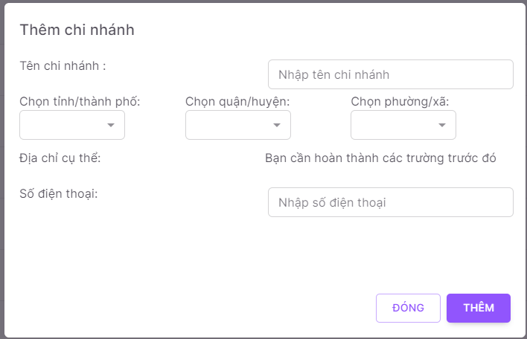 2. Default UI of Create Branch dialog is displayed as below: |  | Passed | 13/01 | LongTN | Passed | 26/01
Create Branch_2 | Check font size, color of text on the dialog | 1. Check font size, color of text on the dialog | 1. Font size, color of text is displayed as prototy |  | Passed | 13/01 | LongTN | Passed | 26/01
Create Branch_3 | Check behavior of system when pressing "ESC" | 1. Navigate to Create Branch dialog 2. Press "ESC" on keyboard | 1. Close Create Branch dialog |  | Passed | 13/01 | LongTN | Passed | 26/01
Create Branch_4 | Check behavior of system when pressing "Tab" | 1. Focus mouse on the first text box 2. Press "Tab" on keyboard | 2. The point is moved from left to right, from up to down on each item |  | Passed | 13/01 | LongTN | Passed | 26/01
Validation
Create Branch_5 | Check display default 'Tên chi nhánh' field | 1. Navigate to Create Branch dialog 2. Check display 'Tên chi nhánh' field | 1. Textbox are display data blank |  | Passed | 13/01 | LongTN | Passed | 26/01
Create Branch_6 | Check validation on mandatory 'Tên chi nhánh' field | 1. Navigate to Create Branch dialog 2. Set 'Tên chi nhánh' field blank 3. Input valid data into all other fields | 1. Show error message:"Trường này không được để trống" 2. Cursor focus on the required field and the field is highlighted |  | Passed | 13/01 | LongTN | Passed | 26/01
Create Branch_7 | Check input 'Tên chi nhánh' by paste data | 1. Navigate to Create Branch screen 2. Paste data to 'Tên chi nhánh' field 3. Input valid data into all other fields | 1. Data inputted succesfully |  | Passed | 13/01 | LongTN | Passed | 26/01
Create Branch_8 | Check behavior of system when inputting space between characters 'Tên chi nhánh' field | 1. Navigate to Create Branch dialog 2. Input space between characters 'Tên Branch' field 3. Input valid data into all other fields 4. Click button 'Thêm' | 1. Create Branch successfully |  | Passed | 13/01 | LongTN | Passed | 26/01
Create Branch_9 | Check duplicate Tên chi nhánh | 1. Navigate to Create Branch dialog 2. Input 'Tên chi nhánh' that already exists in the system 3. Input valid data into all other fields 4. Click button 'Thêm' | 1. Create Branch successfully |  | Passed | 13/01 | LongTN | Passed | 26/01
Create Branch_10 | Check field Tên chi nhánh is too long | 1. Navigate to Create Branch dialog 2. Input 'Tên Branch' is too long 3. Input valid data into all other fields 4. Click button 'Thêm' | 1. Create Branch unsuccessfully 2. Show message "Trường này không được để trống và chỉ được nhập tối đa 255 kí tự" |  | Passed | 13/01 | LongTN | Passed | 26/01
...

Create Catogory
Back to test cases
Feature | <Category Management>
Test requirement | Create Category
Number of TCs | 22
Testing Round | Passed | Failed | Pending | N/A
Round 1 | 22 | 0 |  | 0
Round 2 | 22 | 0 |  | 0

Test Case ID | Test Case Description | Test Case Procedure | Expected Results | Pre-conditions | Round 1 | Test date | Tester | Round 2 | Test date
Create Category
Create Category_1 | Check default UI of Create Category | 1. Navigate to Create Category dialog 2. Check default UI of Create Category dialog | 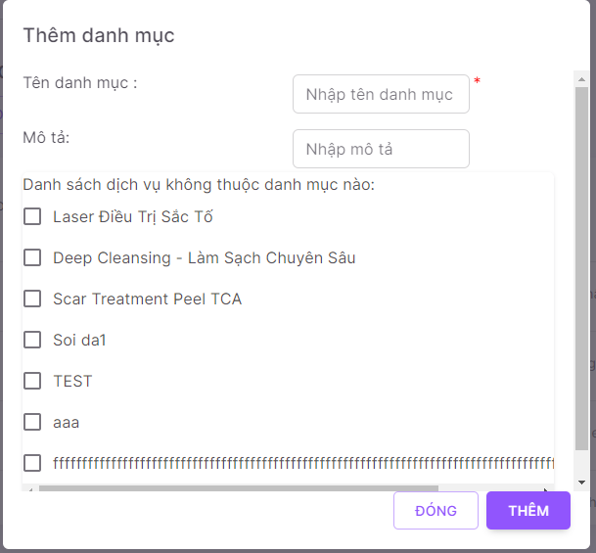 2. Default UI of Create Category dialog is displayed as below: |  | Passed | 13/01 | LongTN | Passed | 26/01
Create Category_2 | Check font size, color of text on the dialog | 1. Check font size, color of text on the dialog | 1. Font size, color of text is displayed as prototy |  | Passed | 13/01 | LongTN | Passed | 26/01
Create Category_3 | Check behavior of system when pressing "ESC" | 1. Navigate to Create Category dialog 2. Press "ESC" on keyboard | 1. Close Create Category dialog |  | Passed | 13/01 | LongTN | Passed | 26/01
Validation
Create Category_4 | Check display default 'Tên Danh mục' field | 1. Navigate to Create Category dialog 2. Check display 'Tên Danh mục' field | 1. Textbox are display data blank |  | Passed | 13/01 | LongTN | Passed | 26/01
Create Category_5 | Check validation on mandatory 'Tên Danh mục' field | 1. Navigate to Create Category dialog 2. Set 'Tên Danh mục' field blank 3. Input valid data into all other fields | 1. Show error message:"Trường này không được để trống" 2. Cursor focus on the required field and the field is highlighted |  | Passed | 13/01 | LongTN | Passed | 26/01
Create Category_6 | Check input 'Tên Danh mục' by paste data | 1. Navigate to Create Category screen 2. Paste data to 'Tên Danh mục' field 3. Input valid data into all other fields | 1. Data inputted succesfully |  | Passed | 13/01 | LongTN | Passed | 26/01
Create Category_7 | Check behavior of system when inputting space between characters 'Tên Danh mục' field | 1. Navigate to Create Category dialog 2. Input space between characters 'Tên danh mục' field 3. Input valid data into all other fields 4. Click button 'Thêm' | 1. Create Category successfully |  | Passed | 13/01 | LongTN | Passed | 26/01
Create Category_8 | Check duplicate Tên Danh mục | 1. Navigate to Create Category dialog 2. Input 'Tên Danh mục' that already exists in the system 3. Input valid data into all other fields 4. Click button 'Thêm' | 1. Create Category unsuccessfully 2. Show message "Loại service ... đã tồn tại trong hệ thống(a046a)" |  | Passed | 13/01 | LongTN | Passed | 26/01
Create Category_9 | Check field Tên Danh mục is too long | 1. Navigate to Create Category dialog 2. Input 'Tên Danh mục' is too long 3. Input valid data into all other fields 4. Click button 'Thêm' | 1. Create Category unsuccessfully 2. Show message "Trường này không được để trống và chỉ được nhập tối đa 100 kí tự" |  | Passed | 13/01 | LongTN | Passed | 26/01
Create Category_10 | Check inputting special characters | 1. Navigate to Create Category dialog 2. Input special characters @ # $ % ^ * ~ /\\,| 3. Input valid data into all other fields 4. Click button 'Thêm' | 1. Create Category successfully |  | Passed | 13/01 | LongTN | Passed | 26/01
...

Create Device
Back to test cases
Feature | <Device Management>
Test requirement | Create Device
Number of TCs | 22
Testing Round | Passed | Failed | Pending | N/A
Round 1 | 22 | 0 |  | 0
Round 2 | 22 | 0 |  | 0

Test Case ID | Test Case Description | Test Case Procedure | Expected Results | Pre-conditions | Round 1 | Test date | Tester | Round 2 | Test date
Create Device
Create Device_1 | Check default UI of Create Device | 1. Navigate to Create Device dialog 2. Check default UI of Create Device dialog | 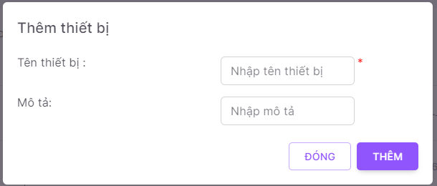 2. Default UI of Create Device dialog is displayed as below: |  | Passed | 13/01 | LongTN | Passed | 26/01
Create Device_2 | Check font size, color of text on the dialog | 1. Check font size, color of text on the dialog | 1. Font size, color of text is displayed as prototy |  | Passed | 13/01 | LongTN | Passed | 26/01
Create Device_3 | Check behavior of system when pressing "ESC" | 1. Navigate to Create Device dialog 2. Press "ESC" on keyboard | 1. Close Create Device dialog |  | Passed | 13/01 | LongTN | Passed | 26/01
Create Device_4 | Check behavior of system when pressing "Tab" | 1. Focus mouse on the first text box 2. Press "Tab" on keyboard | 2. The point is moved from left to right, from up to down on each item |  | Passed | 13/01 | LongTN | Passed | 26/01
Validation
Create Device_5 | Check display default 'Tên Thiết bị' field | 1. Navigate to Create Device dialog 2. Check display 'Tên Device' field | 1. Textbox are display data blank |  | Passed | 13/01 | LongTN | Passed | 26/01
Create Device_6 | Check validation on mandatory 'Tên Thiết bị' field | 1. Navigate to Create Device dialog 2. Set 'Tên Device' field blank 3. Input valid data into all other fields | 1. Show error message:"Tên Device is required" 2. Cursor focus on the required field and the field is highlighted |  | Passed | 13/01 | LongTN | Passed | 26/01
Create Device_7 | Check input 'Tên Thiết bị' by paste data | 1. Navigate to Create Device screen 2. Paste data to 'Tên Device' field 3. Input valid data into all other fields | 1. Data inputted succesfully |  | Passed | 13/01 | LongTN | Passed | 26/01
Create Device_8 | Check behavior of system when inputting space between characters 'Tên Thiết bị' field | 1. Navigate to Create Device dialog 2. Input space between characters 'Tên Device' field 3. Input valid data into all other fields 4. Click button 'Thêm' | 1. Create Device successfully |  | Passed | 13/01 | LongTN | Passed | 26/01
Create Device_9 | Check duplicate Tên Thiết bị | 1. Navigate to Create Device dialog 2. Input 'Tên Device' that already exists in the system 3. Input valid data into all other fields 4. Click button 'Thêm' | 1. Create Device unsuccessfully 2. Show message "Loại thiết bị ... đã tồn tại trong hệ thống(a046a)" |  | Passed | 13/01 | LongTN | Passed | 26/01
Create Device_10 | Check field Tên Thiết bị is too long | 1. Navigate to Create Device dialog 2. Input 'Tên Device' is too long 3. Input valid data into all other fields 4. Click button 'Thêm' | 1. Create Device unsuccessfully 2. Show message "Trường này không được để trống và chỉ được nhập tối đa 100 kí tự" |  | Passed | 13/01 | LongTN | Passed | 26/01
...

Create Sca Form
Back to test cases
Feature | <Sca Form Management>
Test requirement | Create Sca Form
Number of TCs | 46
Testing Round | Passed | Failed | Pending | N/A
Round 1 | 46 | 0 |  | 0
Round 2 | 46 | 0 |  | 0

Test Case ID | Test Case Description | Test Case Procedure | Expected Results | Pre-conditions | Round 1 | Test date | Tester | Round 2 | Test date
Create Sca Form
Create Sca Form_1 | Check default UI of Create Sca Form | 1. Navigate to Create Sca Form screen 2. Check default UI of Create Sca Form screen | 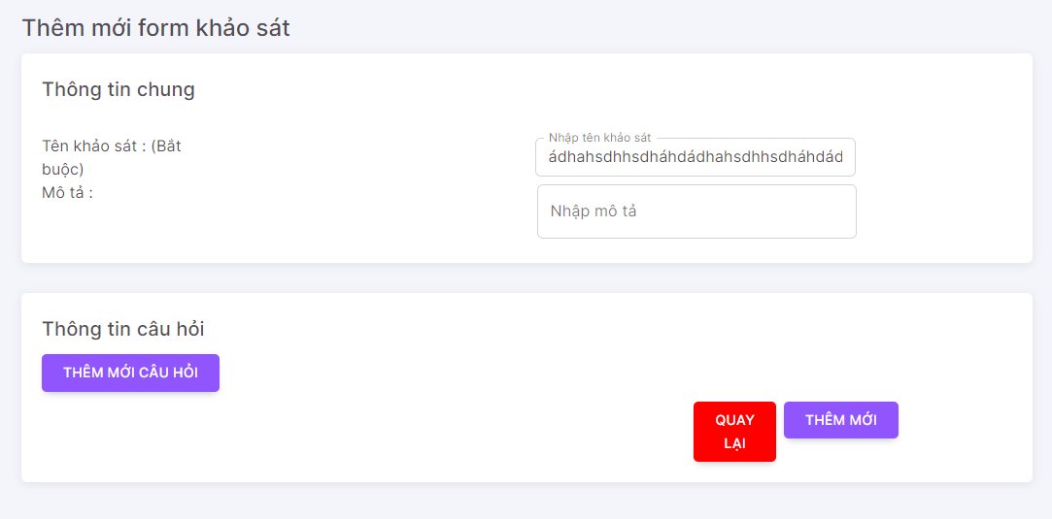 2. Default UI of Create Sca Form screen is displayed as below: |  | Passed | 14/01 | LongTN | Passed | 26/01
Create Sca Form_2 | Check font size, color of text on the screen | 1. Check font size, color of text on the screen | 1. Font size, color of text is displayed as prototy |  | Passed | 14/01 | LongTN | Passed | 26/01
Validation
Create Sca Form_3 | Check display default 'Tên Khảo sát' field | 1. Navigate to Create Sca Form screen 2. Check display 'Tên Khảo sát' field | 1. Textbox are display data blank |  | Passed | 14/01 | LongTN | Passed | 26/01
Create Sca Form_4 | Check validation on mandatory 'Tên Khảo sát' field | 1. Navigate to Create Sca Form screen 2. Set 'Tên Khảo sát' field blank 3. Input valid data into all other fields | 1. Show error message:"Vui lòng cung cấp tên Form." |  | Passed | 14/01 | LongTN | Passed | 26/01
Create Sca Form_5 | Check input 'Tên Khảo sát' by paste data | 1. Navigate to Create Sca Form screen 2. Paste data to 'Tên Khảo sát' field 3. Input valid data into all other fields | 1. Data inputted succesfully |  | Passed | 14/01 | LongTN | Passed | 26/01
Create Sca Form_6 | Check behavior of system when inputting space between characters 'Tên Khảo sát' field | 1. Navigate to Create Sca Form screen 2. Input space between characters 'Tên Khảo sát' field 3. Input valid data into all other fields 4. Click button 'Thêm mới' | 1. Create Sca Form successfully |  | Passed | 14/01 | LongTN | Passed | 26/01
Create Sca Form_7 | Check duplicate Tên Khảo sát | 1. Navigate to Create Sca Form screen 2. Input 'Tên Khảo sát' that already exists in the system 3. Input valid data into all other fields 4. Click button 'Thêm mới' | 1. Create Sca Form successfully |  | Passed | 14/01 | LongTN | Passed | 26/01
Create Sca Form_8 | Check field Tên Khảo sát is too long | 1. Navigate to Create Sca Form screen 2. Input 'Tên Khảo sát' is too long 3. Input valid data into all other fields 4. Click button 'Thêm mới' | 1. Create Sca Form unsuccessfully 2. Show message "Trường tên chỉ được nhập 50 kí tự." |  | Passed | 14/01 | LongTN | Passed | 26/01
Create Sca Form_9 | Check inputting special characters | 1. Navigate to Create Sca Form screen 2. Input special characters @ # $ % ^ * ~ /\\,| 3. Input valid data into all other fields 4. Click button 'Thêm mới' | 1. Create Sca Form successfully |  | Passed | 14/01 | LongTN | Passed | 26/01
Create Sca Form_10 | Check display default 'Mô tả' field | 1. Navigate to Create Sca Form screen 2. Check display 'Mô tả' field | 1. Textbox are display data blank |  | Passed | 14/01 | LongTN | Passed | 26/01
...

DashBoard Management
Back to test cases
Feature | <DashBoard Management>
Test requirement | DashBoard Management
Number of TCs | 13
Testing Round | Passed | Failed | Pending | N/A
Round 1 | 13 | 0 |  | 0
Round 2 | 13 | 0 |  | 0

Test Case ID | Test Case Description | Test Case Procedure | Expected Results | Pre-conditions | Round 1 | Test date | Tester | Round 2 | Test date
SM_1 | Check default UI of DashBoard Management | 1. Navigate to DashBoard Management screen 2. Check default UI of DashBoard Management screen | 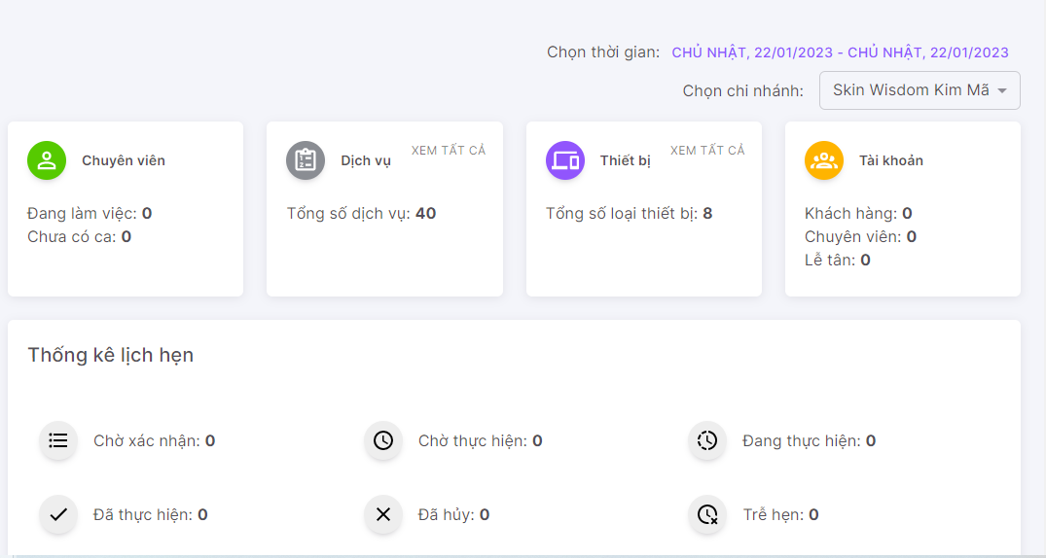 1. Default UI of DashBoard Management screen is displayed as below: |  | Passed | 14/01 | LongTN | Passed | 26/01
SM_2 | Check font size, color of text on the screen | 1. Check font size, color of text on the screen | 1. Font size, color of text is displayed as prototy |  | Passed | 14/01 | LongTN | Passed | 26/01
DM_3 | Check behavior of system when pressing "Tab" | 1. Focus mouse on the first text box 2. Press "Tab" on keyboard | 1. The point is moved from left to right, from up to down on each item |  | Passed | 14/01 | LongTN | Passed | 26/01
Grid
SM_4 | Check UI button [Xem tất cả] in 'Dịch vụ' | 1. Navigate to DashBoard Management screen 2. Click Button 'Xem tất cả' | 1. Show screen Service Management |  | Passed | 14/01 | LongTN | Passed | 26/01
SM_5 | Check UI button [Xem tất cả] in 'Thiết bị' | 1. Navigate to DashBoard Management screen 2. Click Button 'Xem tất cả' | 1. Show screen Device Management |  | Passed | 14/01 | LongTN | Passed | 26/01
SM_6 | Check UI button [Xem tất cả] in 'Tài khoản' | 1. Navigate to DashBoard Management screen 2. Click Button 'Xem tất cả' | 1. Show screen Account Management |  | Passed | 14/01 | LongTN | Passed | 26/01
SM_7 | Check UI button [Chờ xác nhận] in 'Thống kê lịch hẹn' | 1. Navigate to DashBoard Management screen 2. Click Button 'Chờ xác nhận' | 1. Show Appointment Management with status 'Chờ xác nhận' |  | Passed | 14/01 | LongTN | Passed | 26/01
SM_8 | Check UI button [Chờ thực hiện] in 'Thống kê lịch hẹn' | 1. Navigate to DashBoard Management screen 2. Click Button 'Chờ thực hiện' | 1. Show Appointment Management with status 'Chờ thực hiện' |  | Passed | 14/01 | LongTN | Passed | 26/01
SM_9 | Check UI button [Đang thực hiện] in 'Thống kê lịch hẹn' | 1. Navigate to DashBoard Management screen 2. Click Button 'Đang thực hiện' | 1. Show Appointment Management with status 'Đang thực hiện' |  | Passed | 14/01 | LongTN | Passed | 26/01
SM_10 | Check UI button [Đã thực hiện] in 'Thống kê lịch hẹn' | 1. Navigate to DashBoard Management screen 2. Click Button 'Đã thực hiện' | 1. Show Appointment Management with status 'Đã thực hiện' |  | Passed | 14/01 | LongTN | Passed | 26/01
...

Data Config Management
Back to test cases
Feature | <Data Config Management>
Test requirement | Data Config Management
Number of TCs | 20
Testing Round | Passed | Failed | Pending | N/A
Round 1 | 20 | 0 |  | 0
Round 2 | 20 | 0 |  | 0

Test Case ID | Test Case Description | Test Case Procedure | Expected Results | Pre-conditions | Round 1 | Test date | Tester | Round 2 | Test date
DCM_1 | Check default UI of Data Config Management | 1. Navigate to Data Config Management screen 2. Check default UI of Data Config Management screen | 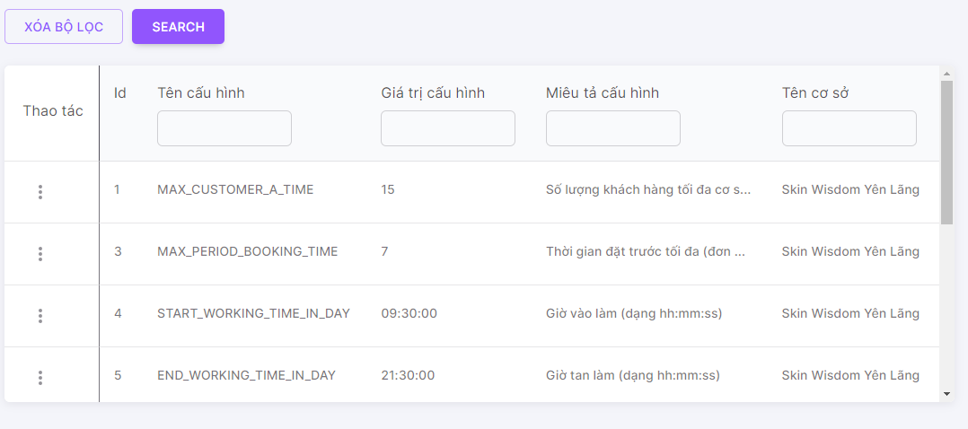 1. Default UI of Data Config Management screen is displayed as below: |  | Passed | 14/01 | LongTN | Passed | 27/01
DCM_2 | Check font size, color of text on the screen | 1. Check font size, color of text on the screen | 1. Font size, color of text is displayed as prototy |  | Passed | 14/01 | LongTN | Passed | 27/01
DCM_3 | Check behavior of system when pressing "Tab" | 1. Focus mouse on the first text box 2. Press "Tab" on keyboard | 1. The point is moved from left to right, from up to down on each item |  | Passed | 14/01 | LongTN | Passed | 27/01
Check search terms area
DCM_4 | Check mandatory fileds for textbox 'Tên cấu hình', 'Giá trị cấu hình', 'Tên cơ sở', 'Miêu tả cấu hình' fields | 1. Navigate to Data Config Management screen 2. Set fields blank | 2. Show list all Data Config created |  | Passed | 14/01 | LongTN | Passed | 27/01
DCM_5 | Check default textbox fields | 1. Navigate to Data Config Management screen 2. Check default | 2. Show textbox blank |  | Passed | 14/01 | LongTN | Passed | 27/01
DCM_6 | Check input lowercase characters on textbox | 1. Navigate to Data Config Management screen 2. Input lowercase character | 2. Display matching records |  | Passed | 14/01 | LongTN | Passed | 27/01
DCM_7 | Check inputting special characters on textbox | 1. Input special characters @ # $ % ^ * ~ /\\,| 2. Input valid data into all other fields | 2. Display empty list |  | Passed | 14/01 | LongTN | Passed | 27/01
DCM_8 | Check input uppercase character on textbox | 1. Navigate to Data Config Management screen 2. Input uppercase character | 2. Display matching records |  | Passed | 14/01 | LongTN | Passed | 27/01
DCM_9 | Check input leading and trailing white space on textbox | 1. Navigate to Data Config Management screen 2. Input leading and trailing white space | 2. Display matching records |  | Passed | 14/01 | LongTN | Passed | 27/01
DCM_10 | Check click button 'Xoá bộ lọc' | 1. Navigate to Data Config Management screen 2. Click button 'Xoá bộ lọc' | 2. Clear all input search textbox |  | Passed | 14/01 | LongTN | Passed | 27/01
...

Deactive-Active Branch
Back to test cases
Feature | <Category Management>
Test requirement | Deactive-Active Branch
Number of TCs | 6
Testing Round | Passed | Failed | Pending | N/A
Round 1 | 6 | 0 |  | 0
Round 2 | 6 | 0 |  | 0

Test Case ID | Test Case Description | Test Case Procedure | Expected Results | Pre-conditions | Round 1 | Test date | Tester | Round 2 | Test date
Deactive-Active Branch_1 | Check default UI of Deactive-Active Branch | 1. Navigate to Category Management screen 2. Check default UI of Deactive-Active Branch icon | 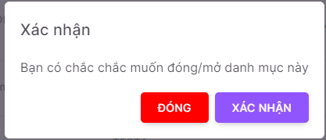 1. Default UI of Deactive-Active Branch dialog is displayed as below: |  | Passed | 15/01 | LongTN | Passed | 27/01
Deactive-Active Branch_2 | Check font size, color of text on the drawer | 1. Check font size, color of text on the drawer | 1. Font size, color of text is displayed as prototy |  | Passed | 15/01 | LongTN | Passed | 27/01
Validation
Deactive-Active Branch_3 | Check click button 'Xác nhận' | 1. Navigate to Deactive-Active Branch drawer 3. Click button 'Xác nhận' | 1. Deactive-Active Branch successfully, show deactive/active branch in branch list |  | Passed | 15/01 | LongTN | Passed | 27/01
Deactive-Active Branch_4 | Check click button 'Đóng' | 1. Navigate to Deactive-Active Branch drawer 2. Input valid data into all fields 3. Click button 'Đóng' | 1. Show Category Management screen |  | Passed | 15/01 | LongTN | Passed | 27/01
Function
Deactive-Active Branch_5 | Check when click 'Xác nhận' successfully | 1. Navigate to Deactive-Active Branch drawer 2. Click button 'Xác nhận' | 1. Grid Category list reload and show info Category |  | Passed | 15/01 | LongTN | Passed | 27/01
Deactive-Active Branch_6 | Check when click 'Xác nhận' unsuccessfully | 1. Navigate to Deactive-Active Branch drawer 3. Click button 'Xác nhận' | 1. Show error message |  | Passed | 15/01 | LongTN | Passed | 27/01

Deactive-Active Sca Form
Back to test cases
Feature | <Category Management>
Test requirement | Deactive-Active Sca Form
Number of TCs | 6
Testing Round | Passed | Failed | Pending | N/A
Round 1 | 6 | 0 |  | 0
Round 2 | 6 | 0 |  | 0

Test Case ID | Test Case Description | Test Case Procedure | Expected Results | Pre-conditions | Round 1 | Test date | Tester | Round 2 | Test date
Deactive-Active Sca Form_1 | Check default UI of Deactive-Active Sca Form | 1. Navigate to Category Management screen 2. Check default UI of Deactive-Active Sca Form icon | 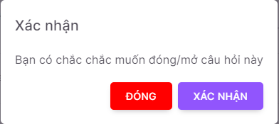 1. Default UI of Deactive-Active Sca Form dialog is displayed as below: |  | Passed | 15/01 | LongTN | Passed | 27/01
Deactive-Active Sca Form_2 | Check font size, color of text on the drawer | 1. Check font size, color of text on the drawer | 1. Font size, color of text is displayed as prototy |  | Passed | 15/01 | LongTN | Passed | 27/01
Validation
Deactive-Active Sca Form_3 | Check click button 'Xác nhận' | 1. Navigate to Deactive-Active Sca Form drawer 3. Click button 'Xác nhận' | 1. Deactive-Active Sca Form successfully, show deactive/active Sca Form in Sca Form list |  | Passed | 15/01 | LongTN | Passed | 27/01
Deactive-Active Sca Form_4 | Check click button 'Đóng' | 1. Navigate to Deactive-Active Sca Form drawer 2. Input valid data into all fields 3. Click button 'Đóng' | 1. Show Category Management screen |  | Passed | 15/01 | LongTN | Passed | 27/01
Function
Deactive-Active Sca Form_5 | Check when click 'Xác nhận' successfully | 1. Navigate to Deactive-Active Sca Form drawer 2. Click button 'Xác nhận' | 1. Grid Category list reload and show info Category |  | Passed | 15/01 | LongTN | Passed | 27/01
Deactive-Active Sca Form_6 | Check when click 'Xác nhận' unsuccessfully | 1. Navigate to Deactive-Active Sca Form drawer 3. Click button 'Xác nhận' | 1. Show error message |  | Passed | 15/01 | LongTN | Passed | 27/01

Deactive-Active Service
Back to test cases
Feature | <Category Management>
Test requirement | Deactive-Active Service
Number of TCs | 6
Testing Round | Passed | Failed | Pending | N/A
Round 1 | 6 | 0 |  | 0
Round 2 | 6 | 0 |  | 0

Test Case ID | Test Case Description | Test Case Procedure | Expected Results | Pre-conditions | Round 1 | Test date | Tester | Round 2 | Test date
Deactive-Active Service_1 | Check default UI of Deactive-Active Service | 1. Navigate to Category Management screen 2. Check default UI of Deactive-Active Service icon | 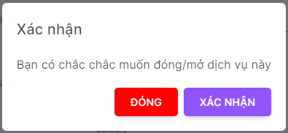 1. Default UI of Deactive-Active Service dialog is displayed as below: |  | Passed | 15/01 | LongTN | Passed | 27/01
Deactive-Active Service_2 | Check font size, color of text on the drawer | 1. Check font size, color of text on the drawer | 1. Font size, color of text is displayed as prototy |  | Passed | 15/01 | LongTN | Passed | 27/01
Validation
Deactive-Active Service_3 | Check click button 'Xác nhận' | 1. Navigate to Deactive-Active Service drawer 3. Click button 'Xác nhận' | 1. Deactive-Active Service successfully, show deactive/active Service in Service list |  | Passed | 15/01 | LongTN | Passed | 27/01
Deactive-Active Service_4 | Check click button 'Đóng' | 1. Navigate to Deactive-Active Service drawer 2. Input valid data into all fields 3. Click button 'Đóng' | 1. Show Category Management screen |  | Passed | 15/01 | LongTN | Passed | 27/01
Function
Deactive-Active Service_5 | Check when click 'Xác nhận' successfully | 1. Navigate to Deactive-Active Service drawer 2. Click button 'Xác nhận' | 1. Grid Category list reload and show info Category |  | Passed | 15/01 | LongTN | Passed | 27/01
Deactive-Active Service_6 | Check when click 'Xác nhận' unsuccessfully | 1. Navigate to Deactive-Active Service drawer 3. Click button 'Xác nhận' | 1. Show error message |  | Passed | 15/01 | LongTN | Passed | 27/01

Delete Category
Back to test cases
Feature | <Category Management>
Test requirement | Delete Category
Number of TCs | 6
Testing Round | Passed | Failed | Pending | N/A
Round 1 | 6 | 0 |  | 0
Round 2 | 6 | 0 |  | 0

Test Case ID | Test Case Description | Test Case Procedure | Expected Results | Pre-conditions | Round 1 | Test date | Tester | Round 2 | Test date
Delete Category_1 | Check default UI of Delete Category | 1. Navigate to Category Management screen 2. Check default UI of Delete Category icon | 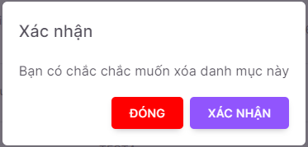 1. Default UI of Delete Category dialog is displayed as below: |  | Passed | 15/01 | LongTN | Passed | 27/01
Delete Category_2 | Check font size, color of text on the drawer | 1. Check font size, color of text on the drawer | 1. Font size, color of text is displayed as prototy |  | Passed | 15/01 | LongTN | Passed | 27/01
Validation
Delete Category_3 | Check click button 'Xác nhận' | 1. Navigate to Delete Category drawer 3. Click button 'Xác nhận' | 1. Delete Category successfully |  | Passed | 15/01 | LongTN | Passed | 27/01
Delete Category_4 | Check click button 'Đóng' | 1. Navigate to Delete Category drawer 2. Input valid data into all fields 3. Click button 'Đóng' | 1. Show Category Management screen |  | Passed | 15/01 | LongTN | Passed | 27/01
Function
Delete Category_5 | Check when click 'Xác nhận' successfully | 1. Navigate to Delete Category drawer 2. Click button 'Xác nhận' | 1. Grid Category list reload and show info Category |  | Passed | 15/01 | LongTN | Passed | 27/01
Delete Category_6 | Check when click 'Xác nhận' unsuccessfully | 1. Navigate to Delete Category drawer 3. Click button 'Xác nhận' | 1. Show error message |  | Passed | 15/01 | LongTN | Passed | 27/01

Delete Device
Back to test cases
Feature | <Device Management>
Test requirement | Delete Device
Number of TCs | 6
Testing Round | Passed | Failed | Pending | N/A
Round 1 | 6 | 0 |  | 0
Round 2 | 6 | 0 |  | 0

Test Case ID | Test Case Description | Test Case Procedure | Expected Results | Pre-conditions | Round 1 | Test date | Tester | Round 2 | Test date
Delete Device_1 | Check default UI of Delete Device | 1. Navigate to Device Management screen 2. Check default UI of Delete Device icon | 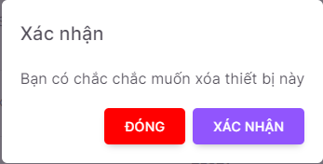 1. Default UI of Delete Device dialog is displayed as below: |  | Passed | 15/01 | LongTN | Passed | 27/01
Delete Device_2 | Check font size, color of text on the drawer | 1. Check font size, color of text on the drawer | 1. Font size, color of text is displayed as prototy |  | Passed | 15/01 | LongTN | Passed | 27/01
Validation
Delete Device_3 | Check click button 'Xác nhận' | 1. Navigate to Delete Device drawer 3. Click button 'Xác nhận' | 1. Delete Device successfully |  | Passed | 15/01 | LongTN | Passed | 27/01
Delete Device_4 | Check click button 'Đóng' | 1. Navigate to Delete Device drawer 2. Input valid data into all fields 3. Click button 'Đóng' | 1. Show Device Management screen |  | Passed | 15/01 | LongTN | Passed | 27/01
Function
Delete Device_5 | Check when click 'Xác nhận' successfully | 1. Navigate to Delete Device drawer 2. Click button 'Xác nhận' | 1. Grid Device list reload and show info Device |  | Passed | 15/01 | LongTN | Passed | 27/01
Delete Device_6 | Check when click 'Xác nhận' unsuccessfully | 1. Navigate to Delete Device drawer 3. Click button 'Xác nhận' | 1. Show error message |  | Passed | 15/01 | LongTN | Passed | 27/01

Device Management
Back to test cases
Feature | <Device Management>
Test requirement | Device Management
Number of TCs | 14
Testing Round | Passed | Failed | Pending | N/A
Round 1 | 14 | 0 |  | 0
Round 2 | 14 | 0 |  | 0

Test Case ID | Test Case Description | Test Case Procedure | Expected Results | Pre-conditions | Round 1 | Test date | Tester | Round 2 | Test date
DM_1 | Check default UI of Device Management | 1. Navigate to Device Management screen 2. Check default UI of Device Management screen | 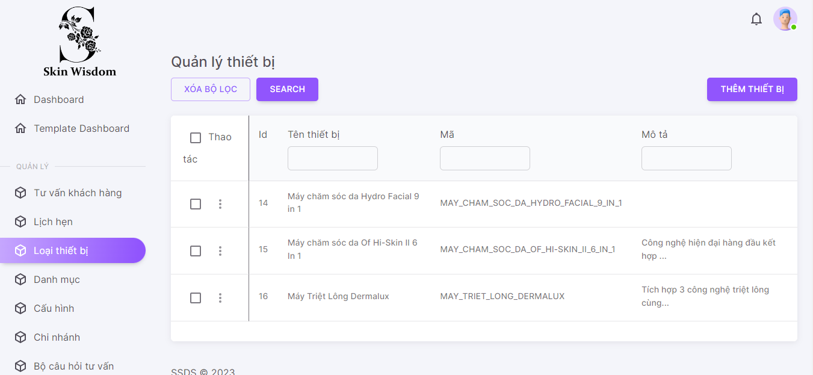 1. Default UI of Device Management screen is displayed as below: |  | Passed | 15/01 | LongTN | Passed | 27/01
DM_2 | Check font size, color of text on the screen | 1. Check font size, color of text on the screen | 1. Font size, color of text is displayed as prototy |  | Passed | 15/01 | LongTN | Passed | 27/01
DM_3 | Check behavior of system when pressing "Tab" | 1. Focus mouse on the first text box 2. Press "Tab" on keyboard | 1. The point is moved from left to right, from up to down on each item |  | Passed | 15/01 | LongTN | Passed | 27/01
Grid
DM_4 | Check UI checkbox delete | 1. Navigate to Device Management screen 2. Click button Thao tác 3. Check default checkbox | 1. Show check OFF |  | Passed | 15/01 | LongTN | Passed | 27/01
DM_5 | Check click on one checkbox | 1. Navigate to Device Management screen 2. Click button Thao tác 3. Check click on many checkbox | 1. Show check ON Enable button 'Xoá' |  | Passed | 15/01 | LongTN | Passed | 27/01
DM_6 | Check click on many checkbox | 1. Navigate to Device Management screen 2. Click on checkbox in header of column 'Thao tác' 3. Check all checkbox turn on | 1. Show all checkbox ON |  | Passed | 15/01 | LongTN | Passed | 27/01
DM_7 | Check UI icon [Xem chi tiết] | 1. Navigate to Device Management screen 2. Check icon 'eye' | 1. Show enable |  | Passed | 15/01 | LongTN | Passed | 27/01
DM_8 | Check click icon [Xem chi tiết] | 1. Navigate to Device Management screen 2. Click icon 'eye' | 1. Show screen Device Detail |  | Passed | 15/01 | LongTN | Passed | 27/01
DM_9 | Check UI icon [Chỉnh sửa] | 1. Navigate to Device Management screen 2. Check icon edit | 1. Show enable |  | Passed | 15/01 | LongTN | Passed | 27/01
DM_10 | Check click icon [Chỉnh Sửa] | 1. Navigate to Device Management screen 2. Click icon edit | 1. Show screen Update Device |  | Passed | 15/01 | LongTN | Passed | 27/01
...

Forget Password
Back to Test Cases
Feature | Forget Password
Test requirement | Forget Password
Number of TCs | 19
Testing Round | Passed | Failed | Pending | N/A
Round 1 | 19 | 0 | 0 | 0
Round 2 | 19 | 0 | 0 | 0

Test Case ID | Test Case Description | Test Case Procedure | Expected Results | Pre-conditions | Round 1 | Test date | Tester | Round 2 | Test date
Forget Password_1 | Check default UI of Forget Password | 1. Navigate to Forget Password screen 2. Check default UI of Forget Password screen | 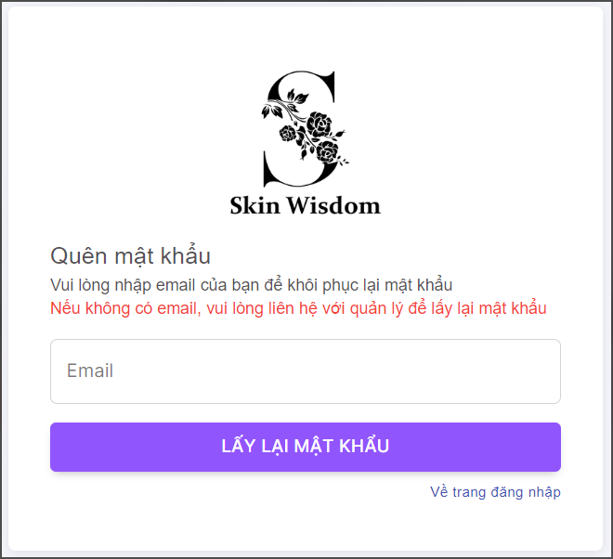 1. Default UI of Forget Password screen is displayed as below: |  | Passed | 15/01 | LongTN | Passed | 27/01
Forget Password_2 | Check Forget Password successfully | 1. Navigate to Forget Password screen 2. Enter all fields | 1. Forget Password successfully |  | Passed | 15/01 | LongTN | Passed | 27/01
Forget Password_3 | Check font size, color of text on the screen | 1. Check font size, color of text on the screen | 1. Font size, color of text is displayed as prototy |  | Passed | 15/01 | LongTN | Passed | 27/01
Forget Password_4 | Check behavior of system when pressing "Tab" | 1. Focus mouse on the first text box 2. Press "Tab" on keyboard | 1. The point is moved from left to right, from up to down on each item |  | Passed | 15/01 | LongTN | Passed | 27/01
Validation
Forget Password_5 | Check display default 'Email' field | 1. Navigate to Forget Password screen 2. Check display 'Email' field | 2. Textbox are display data blank |  | Passed | 15/01 | LongTN | Passed | 27/01
Forget Password_6 | Check validation on mandatory 'Email' field | 1. Navigate to Forget Password screen 2. Set 'Email' field blank 3. Input valid data into all other fields 4. Click button 'Lấy lại mật khẩu' | 2. Data inputted succesfully 4. Forget Password successfully |  | Passed | 15/01 | LongTN | Passed | 27/01
Forget Password_7 | Check input 'Email' by paste data | 1. Navigate to Forget Password screen 2. Paste data to 'Email' field 3. Input valid data into all other fields | 2. Data inputted succesfully |  | Passed | 15/01 | LongTN | Passed | 27/01
Forget Password_8 | Check behavior of system when inputting space before and after 'Email' | 1. Navigate to Forget Password screen 2. Input space before and after 'Email' 3. Input valid data into all other fields 4. Click button 'Lấy lại mật khẩu' | 4. - Space before/after 'Email' are auto trim - Forget Password successfully |  | Passed | 15/01 | LongTN | Passed | 27/01
Forget Password_9 | Check behavior of system when inputting space between characters 'Email' field | 1. Navigate to Forget Password screen 2. Input space between characters 'Email' field 3. Input valid data into all other fields 4. Click button 'Lấy lại mật khẩu' | 4. Show error message: "Email không hợp lệ" Cursor focus on the required field and the field is highlighted |  | Passed | 15/01 | LongTN | Passed | 27/01
Forget Password_10 | Check input 'Email' is too long | 1. Navigate to Forget Password screen 2. Input an email is too long 3. Input valid data into all other fields 4. Click button 'Lấy lại mật khẩu' | 4. Show error message: "Email không hợp lệ,vui lòng kiểm tra lại." Cursor focus on the required field and the field is highlighted |  | Passed | 15/01 | LongTN | Passed | 27/01
...

Homepage
Back to Test Cases
Feature | Home page
Test requirement | Home page
Number of TCs | 9
Testing Round | Passed | Failed | Pending | N/A
Round 1 | 9 | 0 | 0 | 0
Round 2 | 9 | 0 | 0 | 0

Test Case ID | Test Case Description | Test Case Procedure | Expected Results | Pre-conditions | Round 1 | Test date | Tester | Round 2 | Test date
Home page_1 | Check default UI of Home page | 1. Navigate to Home page screen 2. Check default UI of Home page screen | 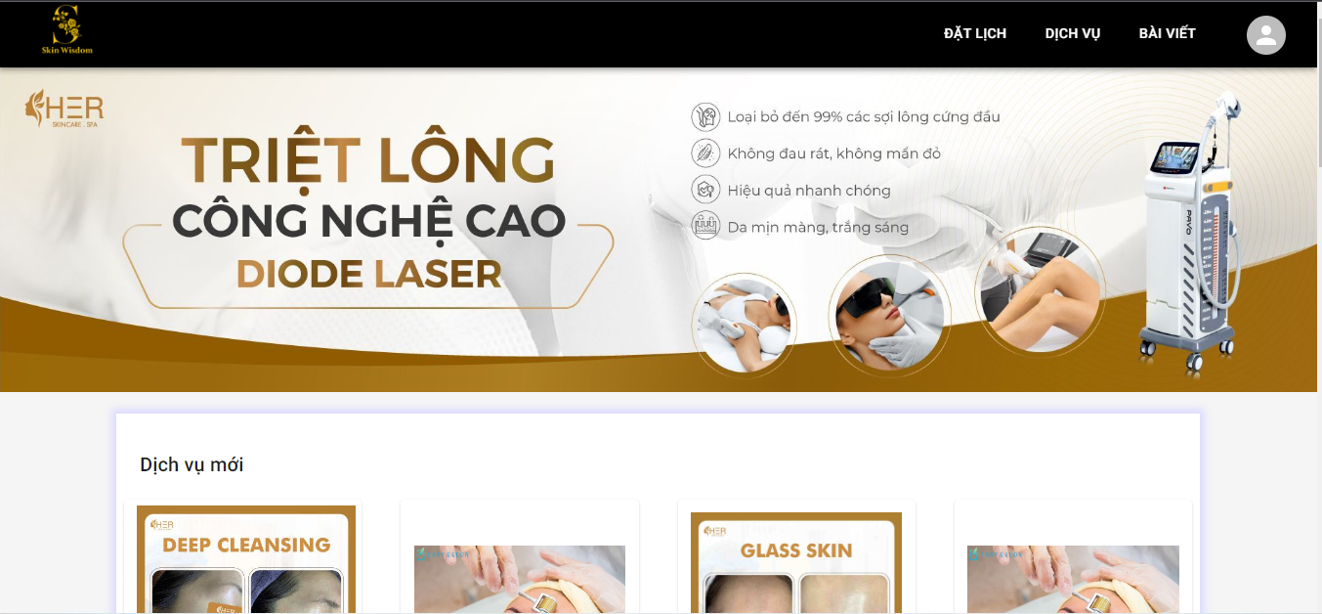 2. Default UI of Home page screen is displayed as below: |  | Passed | 16/01 | LongTN | Passed | 27/01
Home page_2 | Check font size, color of text on the screen | 1. Check font size, color of text on the screen | 1. Font size, color of text is displayed as prototy |  | Passed | 16/01 | LongTN | Passed | 27/01
Grid
Home page_3 | Check click button 'Xem tất cả' ('Dịch vụ mới nhất') | 1. Navigate to Home page screen 2. Click button 'Xem tất cả' | 2. Show 'List all Services' screen |  | Passed | 16/01 | LongTN | Passed | 27/01
Home page_4 | Check click button 'Đặt lịch' | 1. Navigate to Home page screen 2. Click button 'Đặt lịch' | 2. Show 'Đặt lịch' Screen |  | Passed | 16/01 | LongTN | Passed | 27/01
Home page_5 | Check click Service to show Service Detail | 1. Navigate to Home page screen 2. Click title Service | 2. Show 'Service Detail' screen |  | Passed | 16/01 | LongTN | Passed | 27/01
Home page_6 | Check click button 'Câu hỏi đánh giá' | 1. Login successfully with a customer account 2. Navigate to Home page screen 3. Click button 'Câu hỏi đánh giá' | 2. Show 'List SCA Forms' screen |  | Passed | 16/01 | LongTN | Passed | 27/01
Home page_7 | Check click button 'Tài khoản' | 1. Login successfully with a customer account 2. Navigate to Home page screen 3. Click button 'Tài khoản' | 2. Show 'Profile' screen |  | Passed | 16/01 | LongTN | Passed | 27/01
Home page_8 | Check click button 'Lịch hẹn' | 1. Login successfully with a customer account 2. Navigate to Home page screen 3. Click button 'Lịch hẹn' | 2. Show 'List Appointment of this customer' screen |  | Passed | 16/01 | LongTN | Passed | 27/01
Home page_9 | Check click button 'Các bộ câu hỏi đã trả lời' | 1. Login successfully with a customer account 2. Navigate to Home page screen 3. Click button 'Các bộ câu hỏi đã trả lời' | 2. Show 'List SCA Forms answered of this customer' screen |  | Passed | 16/01 | LongTN | Passed | 27/01

Login
Back to Test Cases
Feature | Login
Test requirement | Login
Number of TCs | 4
Testing Round | Passed | Failed | Pending | N/A
Round 1 | 4 | 0 | 0 | 0
Round 2 | 4 | 0 | 0 | 0

Test Case ID | Test Case Description | Test Case Procedure | Expected Results | Pre-conditions | Round 1 | Test date | Tester | Round 2 | Test date
LG_1 | Check default UI of Login | 1. Navigate to Login screen 2. Check default UI of Login screen | 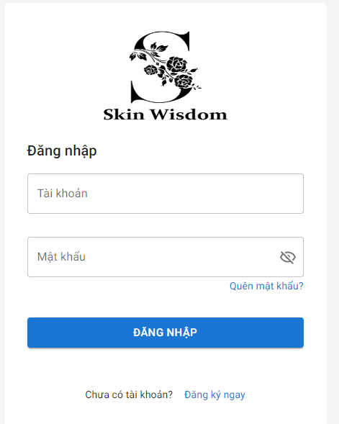 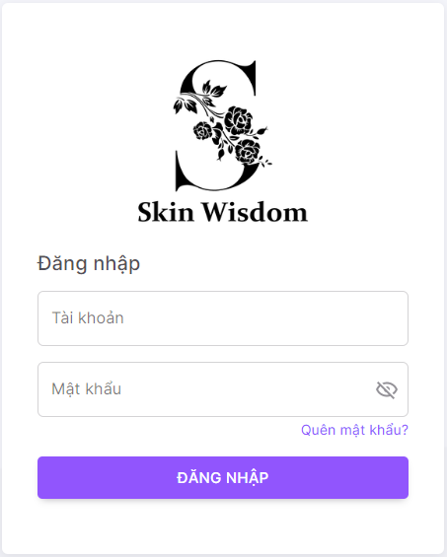 1. Default UI of Login screen is displayed as below: |  | Passed | 16/01 | LongTN | Passed | 27/01
LG_2 | Check login when registered account is logging | 1. Navigate to Login screen 2. Enter account | 1. Login successfully |  | Passed | 16/01 | LongTN | Passed | 27/01
Validation
LG_3 | Check login when username is wrong | 1. Navigate to Login screen 2. Choose account when username is wrong 3. Show message "Tên tài khoản hoặc Mật khẩu của bạn không đúng, vui lòng thử lại" | 1. Login unsuccessfully |  | Passed | 16/01 | LongTN | Passed | 27/01
LG_4 | Check login when password is wrong | 1. Navigate to Login screen 2. Choose account when password is wrong 3. Show message "Tên tài khoản hoặc Mật khẩu của bạn không đúng, vui lòng thử lại" | 1. Login unsuccessfully |  | Passed | 16/01 | LongTN | Passed | 27/01

Register
Back to Test Cases
Feature | Register
Test requirement | Register
Number of TCs | 60
Testing Round | Passed | Failed | Pending | N/A
Round 1 | 60 | 0 | 0 | 0
Round 2 | 60 | 0 | 0 | 0

Test Case ID | Test Case Description | Test Case Procedure | Expected Results | Pre-conditions | Round 1 | Test date | Tester | Round 2 | Test date
Register_1 | Check default UI of Register | 1. Navigate to Register screen 2. Check default UI of Register screen | 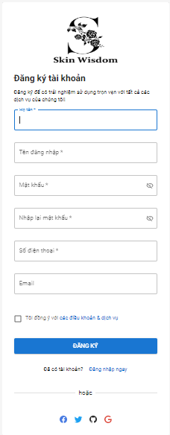 1. Default UI of Register screen is displayed as below: |  | Passed | 16/01 | LongTN | Passed | 27/01
Register_2 | Check register successfully | 1. Navigate to Register screen 2. Enter all fields 3. Show popup "đăng ký thành công" | 1. Register successfully |  | Passed | 16/01 | LongTN | Passed | 27/01
Validation
Register_3 | Check display default 'Họ và tên' field | 1. Navigate to Register screen 2. Check display 'Họ và tên' field | 2. Textbox are display data blank |  | Passed | 16/01 | LongTN | Passed | 27/01
Register_4 | Check validation on mandatory 'Họ và tên' field | 1. Navigate to Register screen 2. Set 'Họ và tên' field blank 3. Input valid data into all other fields | 2. Show error message:"Họ tên không được để trống. Vui lòng kiểm tra lại" 3. Cursor focus on the required field and the field is highlighted |  | Passed | 16/01 | LongTN | Passed | 27/01
Register_5 | Check 'Họ và tên' is too long | 1. Navigate to Register screen 2. Input 'Họ và tên' is too long 3. Input valid data into all other fields 4. Click button 'Đăng ký' | 2. Show error message:"Họ tên không được để trống. Vui lòng kiểm tra lại" 3. Cursor focus on the required field and the field is highlighted |  | Passed | 16/01 | LongTN | Passed | 27/01
Register_6 | Check input 'Họ và tên' by paste data | 1. Navigate to Register screen 2. Paste data to 'Họ và tên' field 3. Input valid data into all other fields | 2. Data inputted succesfully |  | Passed | 16/01 | LongTN | Passed | 27/01
Register_7 | Check behavior of system when inputting space before and after 'Họ và tên' | 1. Navigate to Register screen 2. Input space before and after 'Họ và tên' 3. Input valid data into all other fields 4. Click button 'Đăng ký' | 4. - Space before/after 'Họ và tên' are auto trim - Register successfully |  | Passed | 16/01 | LongTN | Passed | 27/01
Register_8 | Check behavior of system when inputting space between characters 'Họ và tên' field | 1. Navigate to Register screen 2. Input space between characters 'Họ và tên' field 3. Input valid data into all other fields 4. Click button 'Đăng ký' | 4. Register successfully |  | Passed | 16/01 | LongTN | Passed | 27/01
Register_9 | Check duplicate Họ và tên | 1. Navigate to Register screen 2. Input 'Họ và tên' that already exists in the system 3. Input valid data into all other fields 4. Click button 'Đăng ký' | 1. Register successfully |  | Passed | 16/01 | LongTN | Passed | 27/01
Register_10 | Check inputting special characters | 1. Navigate to Register screen 2. Input special characters @ # $ % ^ * ~ /\\,| 3. Input valid data into all other fields 4. Click button 'Đăng ký' | 4. Show error message: "Kí tự đã nhập không đúng định dạng" Cursor focus on the required field and the field is highlighted |  | Passed | 16/01 | LongTN | Passed | 27/01
...

Sca Form Management
Back to Test Cases
Feature | <Sca Form Management>
Test requirement | Sca Form Management
Number of TCs | 13
Testing Round | Passed | Failed | Pending | N/A
Round 1 | 13 | 0 |  | 0
Round 2 | 13 | 0 |  | 0

Test Case ID | Test Case Description | Test Case Procedure | Expected Results | Pre-conditions | Round 1 | Test date | Tester | Round 2 | Test date
SM_1 | Check default UI of Sca Form Management | 1. Navigate to Sca Form Management screen 2. Check default UI of Sca Form Management screen | 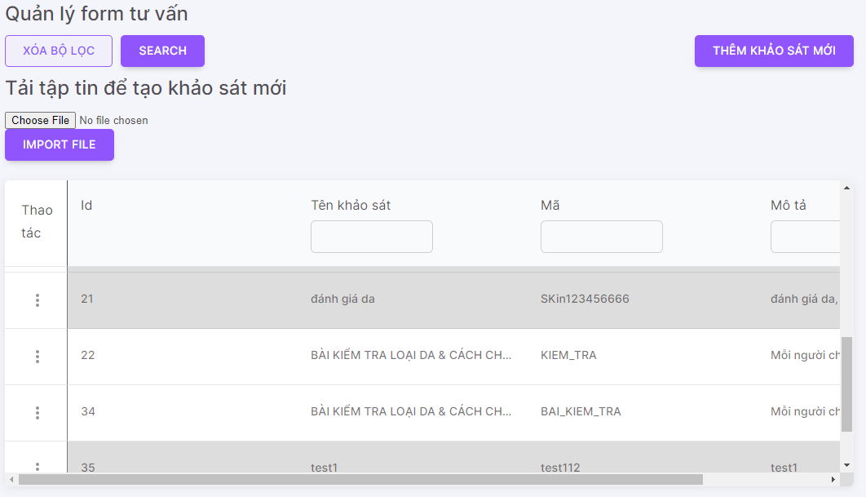 1. Default UI of Sca Form Management screen is displayed as below: |  | Passed | 16/01 | LongTN | Passed | 27/01
SM_2 | Check font size, color of text on the screen | 1. Check font size, color of text on the screen | 1. Font size, color of text is displayed as prototy |  | Passed | 16/01 | LongTN | Passed | 27/01
DM_3 | Check behavior of system when pressing "Tab" | 1. Focus mouse on the first text box 2. Press "Tab" on keyboard | 1. The point is moved from left to right, from up to down on each item |  | Passed | 16/01 | LongTN | Passed | 27/01
Grid
SM_4 | Check UI icon deactive/active | 1. Navigate to Sca Form Management screen 2. Click icon Thao tác 3. Check default icon | 1. Show check OFF/ON |  | Passed | 16/01 | LongTN | Passed | 27/01
SM_5 | Check UI icon [Xem chi tiết] | 1. Navigate to Sca Form Management screen 2. Check icon 'eye' | 1. Show enable |  | Passed | 16/01 | LongTN | Passed | 27/01
SM_6 | Check click icon [Xem chi tiết] | 1. Navigate to Sca Form Management screen 2. Click icon 'eye' | 1. Show drawer Sca Form Detail |  | Passed | 16/01 | LongTN | Passed | 27/01
SM_7 | Check UI icon [Chỉnh sửa] | 1. Navigate to Sca Form Management screen 2. Check icon edit | 1. Show enable |  | Passed | 16/01 | LongTN | Passed | 27/01
SM_8 | Check click icon [Chỉnh Sửa] | 1. Navigate to Sca Form Management screen 2. Click icon edit | 1. Show screen Update Sca Form |  | Passed | 16/01 | LongTN | Passed | 27/01
SM_9 | Check UI icon [Deactive/Active] | 1. Navigate to Sca Form Management screen 2. Check icon delete | 1. Show enable |  | Passed | 16/01 | LongTN | Passed | 27/01
SM_10 | Check click icon [Deactive/Active] | 1. Navigate to Sca Form Management screen 2. Click icon deactive/active | 1. Show popup Deactive/Active Sca Form |  | Passed | 16/01 | LongTN | Passed | 27/01
...

Service Management
Back to Test Cases
Feature | <Service Management>
Test requirement | Service Management
Number of TCs | 37
Testing Round | Passed | Failed | Pending | N/A
Round 1 | 37 | 0 |  | 0
Round 2 | 37 | 0 |  | 0

Test Case ID | Test Case Description | Test Case Procedure | Expected Results | Pre-conditions | Round 1 | Test date | Tester | Round 2 | Test date
SM_1 | Check default UI of Service Management | 1. Navigate to Service Management screen 2. Check default UI of Service Management screen | 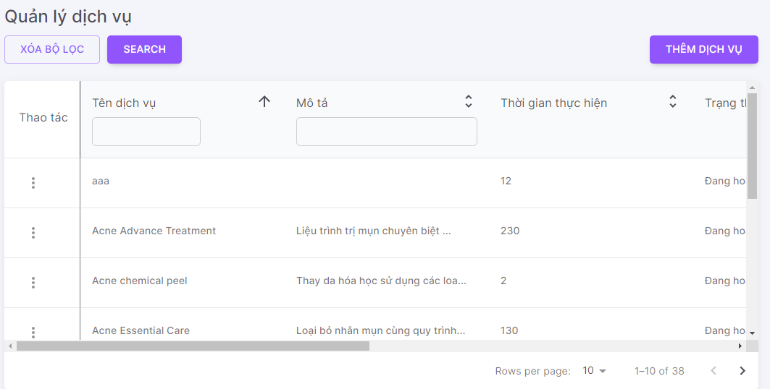 1. Default UI of Service Management screen is displayed as below: |  | Passed | 16/01 | LongTN | Passed | 27/01
SM_2 | Check font size, color of text on the screen | 1. Check font size, color of text on the screen | 1. Font size, color of text is displayed as prototy |  | Passed | 16/01 | LongTN | Passed | 27/01
SM_3 | Check behavior of system when pressing "Tab" | 1. Focus mouse on the first text box 2. Press "Tab" on keyboard | 1. The point is moved from left to right, from up to down on each item |  | Passed | 16/01 | LongTN | Passed | 27/01
Check search terms area
SM_4 | Check mandatory fileds for textbox 'Tên dịch vụ', 'Mô tả', 'Thiết bị', 'Danh mục' fields | 1. Navigate to Service Management screen 2. Set fields blank | 2. Show list all Service created |  | Passed | 16/01 | LongTN | Passed | 27/01
SM_5 | Check default textbox fields | 1. Navigate to Service Management screen 2. Check default | 2. Show textbox blank |  | Passed | 16/01 | LongTN | Passed | 27/01
SM_6 | Check input lowercase characters on textbox | 1. Navigate to Service Management screen 2. Input lowercase character | 2. Display matching records |  | Passed | 16/01 | LongTN | Passed | 27/01
SM_7 | Check inputting special characters on textbox | 1. Input special characters @ # $ % ^ * ~ /\\,| 2. Input valid data into all other fields | 2. Display empty list |  | Passed | 16/01 | LongTN | Passed | 27/01
SM_8 | Check input uppercase character on textbox | 1. Navigate to Service Management screen 2. Input uppercase character | 2. Display matching records |  | Passed | 16/01 | LongTN | Passed | 27/01
SM_9 | Check input leading and trailing white space on textbox | 1. Navigate to Service Management screen 2. Input leading and trailing white space | 2. Display matching records |  | Passed | 16/01 | LongTN | Passed | 27/01
SM_10 | Check mandatory fileds for dropdown list 'Danh mục' fields | 1. Navigate to Service Management screen 2. Set fields blank | 2. Show list all Service created |  | Passed | 16/01 | LongTN | Passed | 27/01
...

Update Branch
Back to Test Cases
Feature | <Service Management>
Test requirement | Update Service
Number of TCs | 48
Testing Round | Passed | Failed | Pending | N/A
Round 1 | 48 | 0 |  | 0
Round 2 | 48 | 0 |  | 0

Test Case ID | Test Case Description | Test Case Procedure | Expected Results | Pre-conditions | Round 1 | Test date | Tester | Round 2 | Test date
Update Service_1 | Check default UI of Update Service | 1. Navigate to Update Service drawer 2. Check default UI of Update Service drawer | 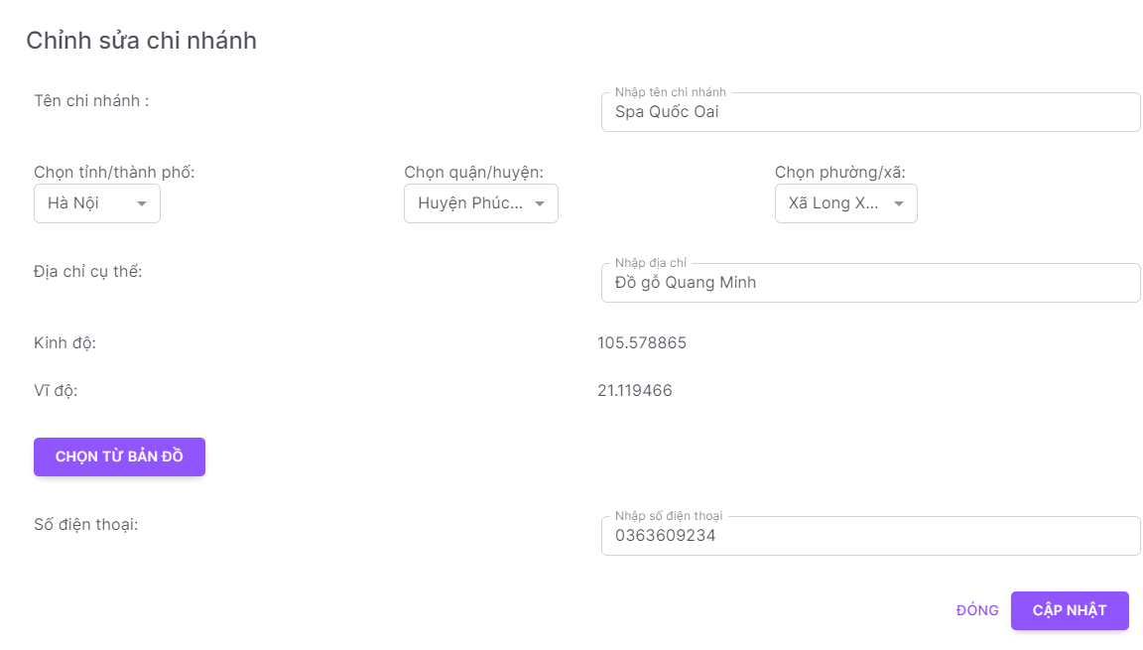 1. Default UI of Update Service drawer is displayed as below: |  | Passed | 17/01 | LongTN | Passed | 27/01
Update Service_2 | Check font size, color of text on the drawer | 1. Check font size, color of text on the drawer | 1. Font size, color of text is displayed as prototy |  | Passed | 17/01 | LongTN | Passed | 27/01
Update Service_3 | Check behavior of system when pressing "ESC" | 1. Navigate to Create Service drawer 2. Press "ESC" on keyboard | 1. Close Update Service drawer |  | Passed | 17/01 | LongTN | Passed | 27/01
Validation
Create Branch_4 | Check display default 'Tên chi nhánh' field | 1. Navigate to Create Branch dialog 2. Check display 'Tên chi nhánh' field | 1. Textbox are display data as created |  | Passed | 17/01 | LongTN | Passed | 27/01
Create Branch_5 | Check validation on mandatory 'Tên chi nhánh' field | 1. Navigate to Create Branch dialog 2. Set 'Tên chi nhánh' field blank 3. Input valid data into all other fields | 1. Show error message:"Trường này không được để trống" 2. Cursor focus on the required field and the field is highlighted |  | Passed | 17/01 | LongTN | Passed | 27/01
Create Branch_6 | Check input 'Tên chi nhánh' by paste data | 1. Navigate to Create Branch screen 2. Paste data to 'Tên chi nhánh' field 3. Input valid data into all other fields | 1. Data inputted succesfully |  | Passed | 17/01 | LongTN | Passed | 27/01
Create Branch_7 | Check behavior of system when inputting space between characters 'Tên chi nhánh' field | 1. Navigate to Create Branch dialog 2. Input space between characters 'Tên Branch' field 3. Input valid data into all other fields 4. Click button 'Thêm' | 1. Create Branch successfully |  | Passed | 17/01 | LongTN | Passed | 27/01
Create Branch_8 | Check duplicate Tên chi nhánh | 1. Navigate to Create Branch dialog 2. Input 'Tên chi nhánh' that already exists in the system 3. Input valid data into all other fields 4. Click button 'Thêm' | 1. Create Branch successfully |  | Passed | 17/01 | LongTN | Passed | 27/01
Create Branch_9 | Check field Tên chi nhánh is too long | 1. Navigate to Create Branch dialog 2. Input 'Tên Branch' is too long 3. Input valid data into all other fields 4. Click button 'Thêm' | 1. Create Branch unsuccessfully 2. Show message "Trường này không được để trống và chỉ được nhập tối đa 255 kí tự" |  | Passed | 17/01 | LongTN | Passed | 27/01
Create Branch_10 | Check inputting special characters | 1. Navigate to Create Branch dialog 2. Input special characters @ # $ % ^ * ~ /\\,| 3. Input valid data into all other fields 4. Click button 'Thêm' | 1. Show error message:"Trường này không hợp lệ" 2. Cursor focus on the required field and the field is highlighted |  | Passed | 17/01 | LongTN | Passed | 27/01
...

Update Category
Back to Test Cases
Feature | <Category Management>
Test requirement | Update Category
Number of TCs | 24
Testing Round | Passed | Failed | Pending | N/A
Round 1 | 24 | 0 |  | 0
Round 2 | 24 | 0 |  | 0

Test Case ID | Test Case Description | Test Case Procedure | Expected Results | Pre-conditions | Round 1 | Test date | Tester | Round 2 | Test date
Update Category_1 | Check default UI of Update Category | 1. Navigate to Update Category drawer 2. Check default UI of Update Category drawer | 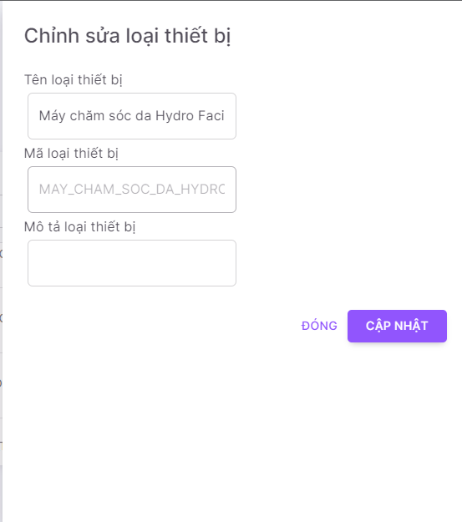 1. Default UI of Update Category drawer is displayed as below: |  | Passed | 17/01 | LongTN | Passed | 27/01
Update Category_2 | Check font size, color of text on the drawer | 1. Check font size, color of text on the drawer | 1. Font size, color of text is displayed as prototy |  | Passed | 17/01 | LongTN | Passed | 27/01
Update Category_3 | Check behavior of system when pressing "ESC" | 1. Navigate to Create Category dialog 2. Press "ESC" on keyboard | 1. Close Update Category drawer |  | Passed | 17/01 | LongTN | Passed | 27/01
Validation
Update Category_4 | Check display default 'Tên danh mục' field | 1. Navigate to Update Category drawer 2. Check display 'Tên danh mục' field | 1. Textbox are display 'Tên danh mục' as created |  | Passed | 17/01 | LongTN | Passed | 27/01
Update Category_5 | Check validation on mandatory 'Tên danh mục' field | 1. Navigate to Update Category drawer 2. Set 'Tên danh mục' field blank 3. Input valid data into all other fields | 1. Show error message:"Trường này không được để trống và chỉ được nhập tối đa 100 kí tự" 2. Cursor focus on the required field and the field is highlighted |  | Passed | 17/01 | LongTN | Passed | 27/01
Update Category_6 | Check input 'Tên danh mục' by paste data | 1. Navigate to Update Category drawer 2. Paste data to 'Tên danh mục' field 3. Input valid data into all other fields | 1. Data inputted succesfully |  | Passed | 17/01 | LongTN | Passed | 27/01
Update Category_7 | Check behavior of system when inputting space before and after 'Tên danh mục' | 1. Navigate to Update Category drawer 2. Input space before and after 'Tên danh mục' 3. Input valid data into all other fields 4. Click button 'Cập nhật' | 1. - Space before/after 'Tên danh mục' are auto trim 2. - Update Category successfully |  | Passed | 17/01 | LongTN | Passed | 27/01
Update Category_8 | Check behavior of system when inputting space between characters 'Tên danh mục' field | 1. Navigate to Update Category drawer 2. Input space between characters 'Tên danh mục' field 3. Input valid data into all other fields 4. Click button 'Cập nhật' | 1. Update Category successfully |  | Passed | 17/01 | LongTN | Passed | 27/01
Update Category_9 | Check duplicate 'Tên danh mục' | 1. Navigate to Update Category drawer 2. Input 'Tên danh mục' that already exists in the system 3. Input valid data into all other fields 4. Click button 'Cập nhật' | 1. Update Category successfully |  | Passed | 17/01 | LongTN | Passed | 27/01
Update Category_10 | Check inputting special characters | 1. Navigate to Update Category drawer 2. Input special characters @ # $ % ^ * ~ /\\,| 3. Input valid data into all other fields 4. Click button 'Cập nhật' | 1. Update Category successfully |  | Passed | 17/01 | LongTN | Passed | 27/01
...

Update Data Config
Back to Test Cases
Feature | <Data Config Management>
Test requirement | Update Data Config
Number of TCs | 16
Testing Round | Passed | Failed | Pending | N/A
Round 1 | 16 | 0 |  | 0
Round 2 | 16 | 0 |  | 0

Test Case ID | Test Case Description | Test Case Procedure | Expected Results | Pre-conditions | Round 1 | Test date | Tester | Round 2 | Test date
Update Data Config_1 | Check default UI of Update Data Config | 1. Navigate to Update Data Config dialog 2. Check default UI of Update Data Config dialog | 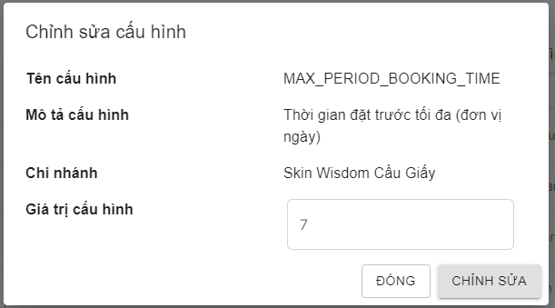 1. Default UI of Update Data Config dialog is displayed as below: |  | Passed | 17/01 | LongTN | Passed | 27/01
Update Data Config_2 | Check font size, color of text on the dialog | 1. Check font size, color of text on the dialog | 1. Font size, color of text is displayed as prototy |  | Passed | 17/01 | LongTN | Passed | 27/01
Update Data Config_3 | Check behavior of system when pressing "Tab" | 1. Focus mouse on the first text box 2. Press "Tab" on keyboard | 1. The point is moved from left to right, from up to down on each item |  | Passed | 17/01 | LongTN | Passed | 27/01
Update Data Config_4 | Check behavior of system when pressing "ESC" | 1. Navigate to Create Data Config dialog 2. Press "ESC" on keyboard | 1. Close Update Data Config dialog |  | Passed | 17/01 | LongTN | Passed | 27/01
Validation
Update Data Config_5 | Check display default 'Tên Cấu hình' field | 1. Navigate to Update Data Config dialog 2. Check display 'Tên Cấu hình' field | 1. Textbox are display 'Tên Cấu hình' as created |  | Passed | 17/01 | LongTN | Passed | 27/01
Update Data Config_6 | Check display default 'Mô Tả Cấu hình' field | 1. Navigate to Update Data Config dialog 2. Check display 'Mô Tả Cấu hình' field | 1. Textbox are display 'Mô Tả Cấu hình' as created |  | Passed | 17/01 | LongTN | Passed | 27/01
Update Data Config_7 | Check display default 'Chi nhánh' field | 1. Navigate to Update Data Config dialog 2. Check display 'Chi nhánh' field | 1. Textbox are display 'Chi nhánh' as created |  | Passed | 17/01 | LongTN | Passed | 27/01
Update Data Config_8 | Check validation on mandatory 'Giá trị cấu hình' field is number | 1. Navigate to Update Data Config dialog 2. Set 'Giá trị cấu hình' field | 1. Update Data Config successfully |  | Passed | 17/01 | LongTN | Passed | 27/01
Update Data Config_9 | Check validation on mandatory 'Giá trị cấu hình' field is datetime | 1. Navigate to Update Data Config dialog 2. Set 'Giá trị cấu hình' field | 1. Update Data Config successfully |  | Passed | 17/01 | LongTN | Passed | 27/01
Update Data Config_10 | Check update Data Config 'MAX_CUSTOMER_A_TIME' | 1. Navigate to Update Data Config dialog 2. Set 'Giá trị cấu hình' field is less than amount of appointment now | 1. Show message 'Tồn tại các khung giờ có số lượng khách đã đặt lịch lớn hơn ... Bạn có chắc chắn muốn thay đổi giá trị cấu hình không?' |  | Passed | 17/01 | LongTN | Passed | 27/01
...

Update Sca Form
Back to Test Cases
Feature | <Sca Form Management>
Test requirement | Update Sca Form
Number of TCs | 57
Testing Round | Passed | Failed | Pending | N/A
Round 1 | 57 | 0 |  | 0
Round 2 | 57 | 0 |  | 0

Test Case ID | Test Case Description | Test Case Procedure | Expected Results | Pre-conditions | Round 1 | Test date | Tester | Round 2 | Test date
Update Sca Form_1 | Check default UI of Update Sca Form | 1. Navigate to Update Sca Form drawer 2. Check default UI of Update Sca Form drawer | 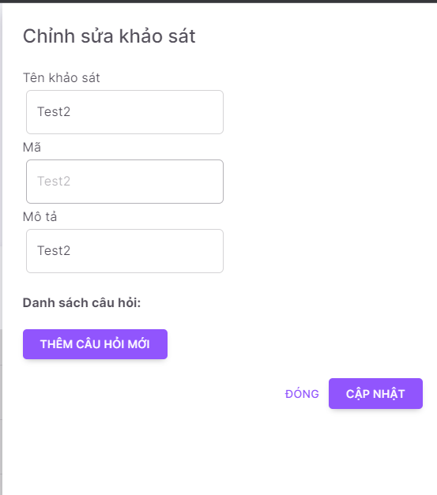 1. Default UI of Update Sca Form drawer is displayed as below: |  | Passed | 19/01 | LongTN | Passed | 27/01
Update Sca Form_2 | Check font size, color of text on the drawer | 1. Check font size, color of text on the drawer | 1. Font size, color of text is displayed as prototy |  | Passed | 19/01 | LongTN | Passed | 27/01
Update Sca Form_3 | Check behavior of system when pressing "Tab" | 1. Focus mouse on the first text box 2. Press "Tab" on keyboard | 1. The point is moved from left to right, from up to down on each item |  | Passed | 19/01 | LongTN | Passed | 27/01
Update Sca Form_4 | Check behavior of system when pressing "ESC" | 1. Navigate to Update Sca Form dialog 2. Press "ESC" on keyboard | 1. Close Update Sca Form drawer |  | Passed | 19/01 | LongTN | Passed | 27/01
Validation
Update Sca Form_5 | Check display default 'Tên khảo sát' field | 1. Navigate to Update Sca Form drawer 2. Check display 'Tên khảo sát' field | 1. Textbox are display 'Tên khảo sát' as created |  | Passed | 19/01 | LongTN | Passed | 27/01
Update Sca Form_6 | Check validation on mandatory 'Tên khảo sát' field | 1. Navigate to Update Sca Form drawer 2. Set 'Tên khảo sát' field blank 3. Input valid data into all other fields | 1. Show error message:" Trường này không được để trống và chỉ được nhập 200 kí tự" 2. Cursor focus on the required field and the field is highlighted |  | Passed | 19/01 | LongTN | Passed | 27/01
Update Sca Form_7 | Check input 'Tên khảo sát' by paste data | 1. Navigate to Update Sca Form drawer 2. Paste data to 'Tên khảo sát' field 3. Input valid data into all other fields | 1. Data inputted succesfully |  | Passed | 19/01 | LongTN | Passed | 27/01
Update Sca Form_8 | Check behavior of system when inputting space before and after 'Tên khảo sát' | 1. Navigate to Update Sca Form drawer 2. Input space before and after 'Tên khảo sát' 3. Input valid data into all other fields 4. Click button 'Cập nhật' | 1. - Space before/after 'Tên khảo sát' are auto trim 2. - Update Sca Form successfully |  | Passed | 19/01 | LongTN | Passed | 27/01
Update Sca Form_9 | Check behavior of system when inputting space between characters 'Tên khảo sát' field | 1. Navigate to Update Sca Form drawer 2. Input space between characters 'Tên khảo sát' field 3. Input valid data into all other fields 4. Click button 'Cập nhật' | 1. Update Sca Form successfully |  | Passed | 19/01 | LongTN | Passed | 27/01
Update Sca Form_10 | Check duplicate 'Tên khảo sát' | 1. Navigate to Update Sca Form drawer 2. Input 'Tên khảo sát' that already exists in the system 3. Input valid data into all other fields 4. Click button 'Cập nhật' | 1. Update Sca Form successfully |  | Passed | 19/01 | LongTN | Passed | 27/01
...

Update Service
Back to Test Cases
Feature | <Service Management>
Test requirement | Update Service
Number of TCs | 43
Testing Round | Passed | Failed | Pending | N/A
Round 1 | 43 | 0 |  | 0
Round 2 | 43 | 0 |  | 0

Test Case ID | Test Case Description | Test Case Procedure | Expected Results | Pre-conditions | Round 1 | Test date | Tester | Round 2 | Test date
Update Service_1 | Check default UI of Update Service | 1. Navigate to Update Service drawer 2. Check default UI of Update Service drawer | 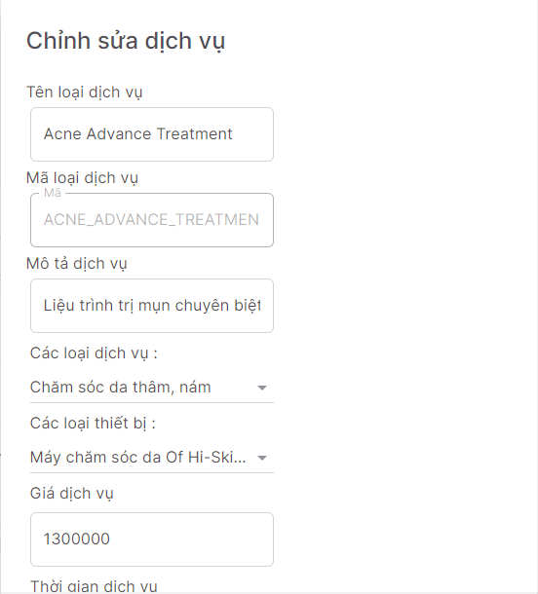 1. Default UI of Update Service drawer is displayed as below: |  | Passed | 19/01 | LongTN | Passed | 27/01
Update Service_2 | Check font size, color of text on the drawer | 1. Check font size, color of text on the drawer | 1. Font size, color of text is displayed as prototy |  | Passed | 19/01 | LongTN | Passed | 27/01
Update Service_3 | Check behavior of system when pressing "ESC" | 1. Navigate to Create Service drawer 2. Press "ESC" on keyboard | 1. Close Update Service drawer |  | Passed | 19/01 | LongTN | Passed | 27/01
Validation
Update Service_4 | Check display default 'Tên dịch vụ' field | 1. Navigate to Update Service drawer 2. Check display 'Tên dịch vụ' field | 1. Textbox are display 'Tên dịch vụ' as created |  | Passed | 19/01 | LongTN | Passed | 27/01
Update Service_5 | Check validation on mandatory 'Tên dịch vụ' field | 1. Navigate to Update Service drawer 2. Set 'Tên dịch vụ' field blank 3. Input valid data into all other fields | 1. Show error message:"Trường này không được để trống và chỉ được nhập tối đa 100 kí tự" 2. Cursor focus on the required field and the field is highlighted |  | Passed | 19/01 | LongTN | Passed | 27/01
Update Service_6 | Check input 'Tên dịch vụ' by paste data | 1. Navigate to Update Service drawer 2. Paste data to 'Tên dịch vụ' field 3. Input valid data into all other fields | 1. Data inputted succesfully |  | Passed | 19/01 | LongTN | Passed | 27/01
Update Service_7 | Check behavior of system when inputting space before and after 'Tên dịch vụ' | 1. Navigate to Update Service drawer 2. Input space before and after 'Tên dịch vụ' 3. Input valid data into all other fields 4. Click button 'Cập nhật' | 1. - Space before/after 'Tên dịch vụ' are auto trim 2. - Update Service successfully |  | Passed | 19/01 | LongTN | Passed | 27/01
Update Service_8 | Check behavior of system when inputting space between characters 'Tên dịch vụ' field | 1. Navigate to Update Service drawer 2. Input space between characters 'Tên dịch vụ' field 3. Input valid data into all other fields 4. Click button 'Cập nhật' | 1. Update Service successfully |  | Passed | 19/01 | LongTN | Passed | 27/01
Update Service_9 | Check duplicate 'Tên dịch vụ' | 1. Navigate to Update Service drawer 2. Input 'Tên dịch vụ' that already exists in the system 3. Input valid data into all other fields 4. Click button 'Cập nhật' | 1. Update Service successfully |  | Passed | 19/01 | LongTN | Passed | 27/01
Update Service_10 | Check inputting special characters | 1. Navigate to Update Service drawer 2. Input special characters @ # $ % ^ * ~ /\\,| 3. Input valid data into all other fields 4. Click button 'Cập nhật' | 1. Update Service successfully |  | Passed | 19/01 | LongTN | Passed | 27/01
...

